10 uM
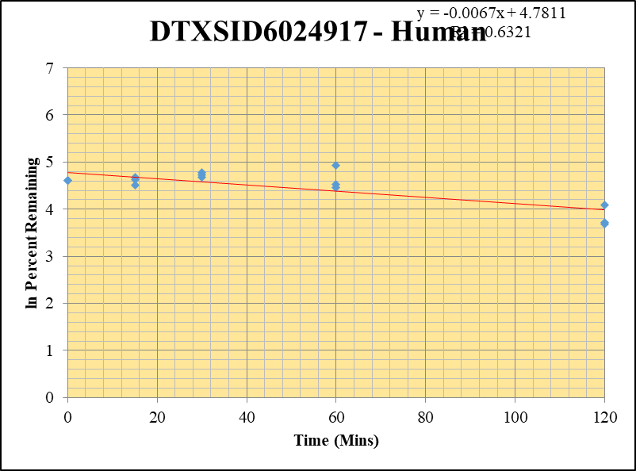
SampleName | CompoundName | Transition | Area | ISTD Area | ISTDResponseRatio | % Remaining | Time (mins) | ln % Remaining
Blank_2_02 | DTXSID6024917 | 101 | 0 | 6842340.8362 | 0 |  |  |  | DTXSID6024917 - Human | 2 |  |  |  | Time (Mins) | % Remaining Replica 1 | % Remaining Replica 2 | % Remaining Replica 3 | Average
Blank_3_03 | DTXSID6024917 | 101 | 0 | 6805910.1666 | 0 |  |  |  | Time (Mins) | 24 |  |  |  | 120 | 59% | 41% | 40% | 47%
 |  |  |  |  |  |  |  |  | ln Percent Remaining | 38 |  |  |  | 60 | 139% | 92% | 86% | 106%
DTXSID6024917_10uM___120_1_58 | DTXSID6024917 | 101 | 28980.960693 | 7641785.7757 | 0.003792433018 | 59.270212369 | 120 | 4.0821068589 |  |  | 1 | 120 | 4.0821068589 | 30 | 108% | 113% | 119% | 113%
DTXSID6024917_10uM___120_2_59 | DTXSID6024917 | 101 | 17750.781688 | 7645888.4719 | 0.0023216113801 | 41.260876781 | 120 | 3.7199147576 |  |  | 2 | 120 | 3.7199147576 | 15 | 92% | 102% | 108% | 101%
DTXSID6024917_10uM___120_3_60 | DTXSID6024917 | 101 | 16280.726213 | 7720785.8724 | 0.0021086877012 | 39.674879462 | 120 | 3.6807182283 |  |  | 3 | 120 | 3.6807182283 | 0 | 100% | 100% | 100% | 100%
DTXSID6024917_10uM___60_1_61 | DTXSID6024917 | 101 | 37488.140382 | 4207239.6687 | 0.0089103886001 | 139.25641458 | 60 | 4.9363169429 |  |  | 4 | 60 | 4.9363169429
DTXSID6024917_10uM___60_2_62 | DTXSID6024917 | 101 | 29416.397461 | 5672309.8876 | 0.0051859644561 | 92.167639358 | 60 | 4.5236090858 |  |  | 5 | 60 | 4.5236090858 | Slope | -0.0067
DTXSID6024917_10uM___60_3_63 | DTXSID6024917 | 101 | 27529.900589 | 6037837.2721 | 0.0045595631927 | 85.788009277 | 60 | 4.4518792447 |  |  | 6 | 60 | 4.4518792447 | Intercept | 4.78
DTXSID6024917_10uM___30_1_64 | DTXSID6024917 | 101 | 33582.827526 | 4871311.5527 | 0.0068940011664 | 107.74321162 | 30 | 4.6797507258 |  |  | 7 | 30 | 4.6797507258 | R2 | 0.632
DTXSID6024917_10uM___30_2_65 | DTXSID6024917 | 101 | 32748.563888 | 5159712.5966 | 0.0063469744244 | 112.80170829 | 30 | 4.7256314833 |  |  | 8 | 30 | 4.7256314833 | T½ (mins) | 104.22445113
DTXSID6024917_10uM___30_3_66 | DTXSID6024917 | 101 | 35602.32218 | 5619626.6791 | 0.0063353536121 | 119.19943895 | 30 | 4.7807980479 |  |  | 9 | 30 | 4.7807980479 | CLint (µl/min/106 cells) | 13.3
DTXSID6024917_10uM___15_1_67 | DTXSID6024917 | 101 | 33664.956069 | 5741426.8101 | 0.0058635174118 | 91.638249264 | 15 | 4.5178487529 |  |  | 10 | 15 | 4.5178487529 | Comments
DTXSID6024917_10uM___15_2_68 | DTXSID6024917 | 101 | 36647.722658 | 6360549.0545 | 0.0057617231381 | 102.40032009 | 15 | 4.6288898385 |  |  | 11 | 15 | 4.6288898385
DTXSID6024917_10uM___15_3_69 | DTXSID6024917 | 101 | 33833.508669 | 5876580.8403 | 0.0057573459106 | 108.32424588 | 15 | 4.6851290059 |  |  | 12 | 15 | 4.6851290059
DTXSID6024917_10uM___0_1_70 | DTXSID6024917 | 101 | 34547.220585 | 5399228.1236 | 0.0063985480505 | 100 | 0 | 4.605170186 |  |  | 13 | 0 | 4.605170186
DTXSID6024917_10uM___0_2_71 | DTXSID6024917 | 101 | 33132.453742 | 5888470.8397 | 0.0056266651639 | 100 | 0 | 4.605170186 |  |  | 14 | 0 | 4.605170186
DTXSID6024917_10uM___0_3_72 | DTXSID6024917 | 101 | 33025.635064 | 6213760.765 | 0.0053149189859 | 100 | 0 | 4.605170186 |  |  | 15 | 0 | 4.605170186

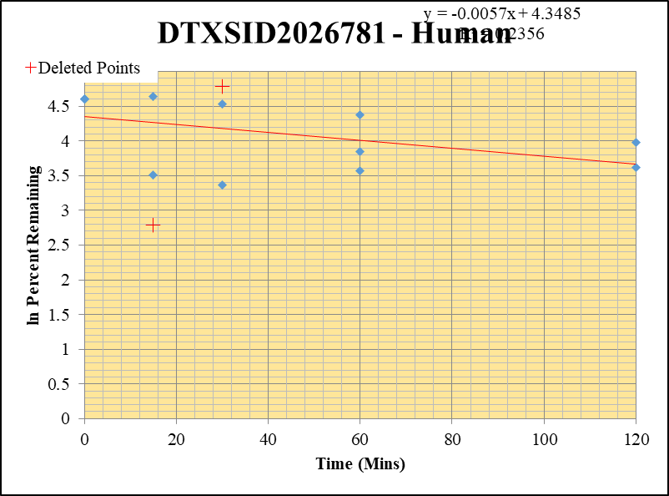
Blank_5_02 | DTXSID2026781 | 69 | 501312.37821 | 17640900.345 | 0.028417618626 |  |  |  | DTXSID2026781 - Human | 3 |  |  |  | Time (Mins) | % Remaining Replica 1 | % Remaining Replica 2 | % Remaining Replica 3 | Average
Blank_6_03 | DTXSID2026781 | 69 | 236207.4777 | 35616182.111 | 0.0066320268961 |  |  |  | Time (Mins) | 43 |  |  |  | 120 | 1752.70% | 53.4% | 37.3% | 45.4%
 |  |  |  |  |  |  |  |  | ln Percent Remaining | 57 |  |  |  | 60 | 79.2% | 47.1% | 35.6% | 54.0%
DTXSID2026781_10uM___120_1_166 | DTXSID2026781 | 69 | 9046846.1266 | 7390074.3565 | 1.2241887822 | 1752.6978424 | 120 | 7.469 |  |  |  | 120 | 3.9774879996 | 30 | 119.55% | 29.1% | 93.4% | 61.3%
DTXSID2026781_10uM___120_2_167 | DTXSID2026781 | 69 | 905137.3605 | 11558597.547 | 0.078308579981 | 53.382768125 | 120 | 3.9774879996 |  |  | 2 | 120 | 3.6196183549 | 15 | 103.8% | 33.5% | 16.28% | 68.7%
DTXSID2026781_10uM___120_3_168 | DTXSID2026781 | 69 | 775971.10985 | 12061324.85 | 0.064335478853 | 37.323320843 | 120 | 3.6196183549 |  |  | 3 | 60 | 4.3724651734 | 0 | 100% | 100% | 100% | 100%
DTXSID2026781_10uM___60_1_169 | DTXSID2026781 | 69 | 713977.30893 | 9905676.7524 | 0.072077590131 | 79.238728329 | 60 | 4.3724651734 |  |  | 4 | 60 | 3.8512903197
DTXSID2026781_10uM___60_2_170 | DTXSID2026781 | 69 | 720193.51626 | 10129005.801 | 0.071102093373 | 47.053738443 | 60 | 3.8512903197 |  |  | 5 | 60 | 3.572679562 | Slope | -0.00570
DTXSID2026781_10uM___60_3_171 | DTXSID2026781 | 69 | 595826.57704 | 9580897.7118 | 0.062189013489 | 35.611889683 | 60 | 3.572679562 |  |  | 6 | 30 | 3.3712884907 | Intercept | 4.35
DTXSID2026781_10uM___30_1_172 | DTXSID2026781 | 69 | 844694.33549 | 8461154.7898 | 0.099832039062 | 119.55248957 | 30 | 4.784 |  |  |  | 30 | 4.5369951558 | R2 | 0.236
DTXSID2026781_10uM___30_2_173 | DTXSID2026781 | 69 | 470747.51349 | 9289085.5099 | 0.050677487357 | 29.116018618 | 30 | 3.3712884907 |  |  | 8 | 15 | 4.6427587156 | T½ (mins) | 122
DTXSID2026781_10uM___30_3_174 | DTXSID2026781 | 69 | 710352.73052 | 5274427.9105 | 0.13467863104 | 93.409696414 | 30 | 4.5369951558 |  |  | 9 | 15 | 3.5127975046 | CLint (µl/min/106 cells) | 11.41
DTXSID2026781_10uM___15_1_175 | DTXSID2026781 | 69 | 528268.11518 | 5935064.0475 | 0.089007988953 | 103.83039136 | 15 | 4.6427587156 |  |  | 10 | 0 | 4.605170186 | Comments | Points Deleted: (120,7.4690) (30,4.7840) (15,2.7900)
DTXSID2026781_10uM___15_2_176 | DTXSID2026781 | 69 | 537037.47093 | 9638655.2876 | 0.055717053355 | 33.541970474 | 15 | 3.5127975046 |  |  | 11 | 0 | 4.605170186
DTXSID2026781_10uM___15_3_177 | DTXSID2026781 | 69 | 402543.89069 | 10608402.802 | 0.037945758489 | 16.282128894 | 15 | 2.790 |  |  |  | 0 | 4.605170186
DTXSID2026781_10uM___0_1_178 | DTXSID2026781 | 69 | 686879.12226 | 7952667.0352 | 0.086370914212 | 100 | 0 | 4.605170186 |  |  | 13
DTXSID2026781_10uM___0_2_179 | DTXSID2026781 | 69 | 717764.04439 | 5462900.1736 | 0.13138882674 | 100 | 0 | 4.605170186 |  |  | 14
DTXSID2026781_10uM___0_3_180 | DTXSID2026781 | 69 | 745053.28938 | 5212198.7132 | 0.14294414514 | 100 | 0 | 4.605170186 |  |  | 15

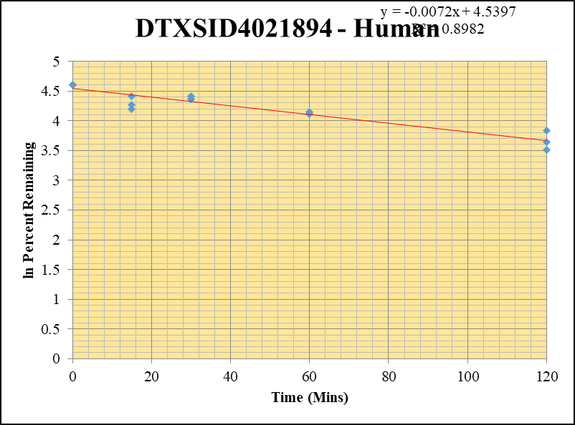
Blank_1_01 | DTXSID4021894 | 67 | 123738.61678 | 7091427.0945 | 0.017449043067 |  |  |  | DTXSID4021894 - Human | 6 |  |  |  | Time (Mins) | % Remaining Replica 1 | % Remaining Replica 2 | % Remaining Replica 3 | Average
Blank_2_02 | DTXSID4021894 | 67 | 143110.43736 | 6842340.8362 | 0.020915420729 |  |  |  | Time (Mins) | 100 |  |  |  | 120 | 38% | 46% | 34% | 39%
 |  |  |  |  |  |  |  |  | ln Percent Remaining | 114 |  |  |  | 60 | 64% | 62% | 61% | 62%
DTXSID4021894_10uM___120_1_238 | DTXSID4021894 | 67 | 1251405.7432 | 6798586.5406 | 0.18406851714 | 38.042808114 | 120 | 3.638712055 |  |  | 1 | 120 | 3.638712055 | 30 | 79% | 83% | 78% | 80%
DTXSID4021894_10uM___120_2_239 | DTXSID4021894 | 67 | 1436387.0968 | 6887786.9856 | 0.20854116131 | 46.163510465 | 120 | 3.8321896692 |  |  | 2 | 120 | 3.8321896692 | 15 | 72% | 83% | 66% | 74%
DTXSID4021894_10uM___120_3_240 | DTXSID4021894 | 67 | 1099408.1783 | 6422433.5767 | 0.17118249105 | 33.624776636 | 120 | 3.5152631951 |  |  | 3 | 120 | 3.5152631951 | 0 | 100% | 100% | 100% | 100%
DTXSID4021894_10uM___60_1_241 | DTXSID4021894 | 67 | 2491117.1327 | 8458127.1877 | 0.29452348935 | 63.527143012 | 60 | 4.1514672636 |  |  | 4 | 60 | 4.1514672636
DTXSID4021894_10uM___60_2_242 | DTXSID4021894 | 67 | 1523581.2966 | 5602085.57 | 0.27196680193 | 61.625945925 | 60 | 4.1210829819 |  |  | 5 | 60 | 4.1210829819 | Slope | -0.0072
DTXSID4021894_10uM___60_3_243 | DTXSID4021894 | 67 | 1692791.2622 | 5752080.6159 | 0.29429199194 | 60.858476712 | 60 | 4.1085511148 |  |  | 6 | 60 | 4.1085511148 | Intercept | 4.54
DTXSID4021894_10uM___30_1_244 | DTXSID4021894 | 67 | 4100759.5313 | 11389202.591 | 0.36005677292 | 78.647079327 | 30 | 4.3649704937 |  |  | 7 | 30 | 4.3649704937 | R2 | 0.898
DTXSID4021894_10uM___30_2_245 | DTXSID4021894 | 67 | 1744338.0802 | 4873512.8932 | 0.35792212279 | 82.580856085 | 30 | 4.4137778871 |  |  | 8 | 30 | 4.4137778871 | T½ (mins) | 95.684494902
DTXSID4021894_10uM___30_3_246 | DTXSID4021894 | 67 | 1848786.4744 | 4951392.5148 | 0.37338717722 | 78.355538579 | 30 | 4.3612566565 |  |  | 9 | 30 | 4.3612566565 | CLint (µl/min/106 cells) | 14.5
DTXSID4021894_10uM___15_1_247 | DTXSID4021894 | 67 | 1902143.6378 | 5762732.3856 | 0.33007669115 | 71.730030424 | 15 | 4.2729094943 |  |  | 10 | 15 | 4.2729094943 | Comments
DTXSID4021894_10uM___15_2_248 | DTXSID4021894 | 67 | 3027660.0188 | 8429261.7831 | 0.359184481 | 82.888604374 | 15 | 4.4174975904 |  |  | 11 | 15 | 4.4174975904
DTXSID4021894_10uM___15_3_249 | DTXSID4021894 | 67 | 1926490.4005 | 6053852.3073 | 0.31822553684 | 66.152942037 | 15 | 4.1919693648 |  |  | 12 | 15 | 4.1919693648
DTXSID4021894_10uM___0_1_250 | DTXSID4021894 | 67 | 2160164.1822 | 4772733.426 | 0.45260524512 | 100 | 0 | 4.605170186 |  |  | 13 | 0 | 4.605170186
DTXSID4021894_10uM___0_2_251 | DTXSID4021894 | 67 | 2089938.652 | 4867408.2516 | 0.42937402083 | 100 | 0 | 4.605170186 |  |  | 14 | 0 | 4.605170186
DTXSID4021894_10uM___0_3_252 | DTXSID4021894 | 67 | 2291637.9552 | 4863092.2559 | 0.47123061514 | 100 | 0 | 4.605170186 |  |  | 15 | 0 | 4.605170186

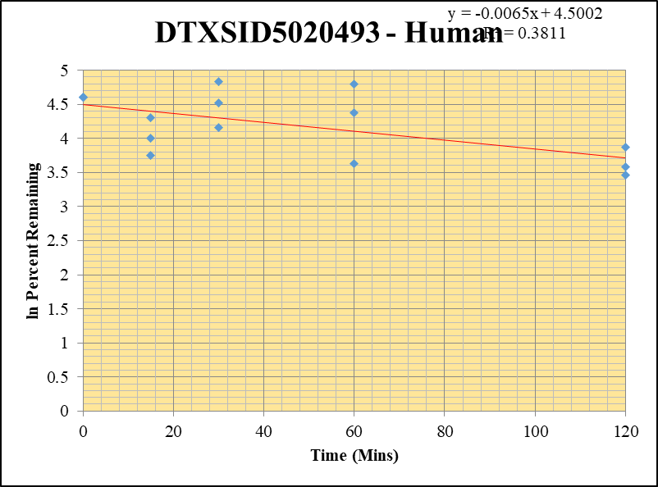
Blank_2_02 | DTXSID5020493 | 79 | 153124.96618 | 6842340.8362 | 0.022379032241 |  |  |  | DTXSID5020493 - Human | 8 |  |  |  | Time (Mins) | % Remaining Replica 1 | % Remaining Replica 2 | % Remaining Replica 3 | Average
Blank_3_03 | DTXSID5020493 | 79 | 159202.33317 | 6805910.1666 | 0.023391777039 |  |  |  | Time (Mins) | 138 |  |  |  | 120 | 48.0% | 31.8% | 35.9% | 38.5%
 |  | 79 |  |  |  |  |  |  | ln Percent Remaining | 152 |  |  |  | 60 | 37.5% | 79.3% | 122% | 79.5%
DTXSID5020493_10uM___120_1_130 | DTXSID5020493 | 79 | 595422.5264 | 7118224.2367 | 0.083647621457 | 47.971408919 | 120 | 3.8706051859 |  |  | 1 | 120 | 3.8706051859 | 30 | 125.1% | 64.1% | 92% | 93.8%
DTXSID5020493_10uM___120_2_131 | DTXSID5020493 | 79 | 455818.65114 | 7059826.5254 | 0.06456513478 | 31.763778845 | 120 | 3.4583266106 |  |  | 2 | 120 | 3.4583266106 | 15 | 55% | 42.4% | 74.2% | 57.2%
DTXSID5020493_10uM___120_3_132 | DTXSID5020493 | 79 | 735891.56963 | 11356293.181 | 0.064800332107 | 35.860080169 | 120 | 3.5796247038 |  |  | 3 | 120 | 3.5796247038 | 0 | 100% | 100% | 100% | 100%
DTXSID5020493_10uM___60_1_133 | DTXSID5020493 | 79 | 594593.41131 | 8440354.907 | 0.070446493999 | 37.549197277 | 60 | 3.6256520005 |  |  | 4 | 60 | 3.6256520005
DTXSID5020493_10uM___60_2_134 | DTXSID5020493 | 79 | 1052715.9963 | 8290848.0575 | 0.12697325882 | 79.324495854 | 60 | 4.373546982 |  |  | 5 | 60 | 4.373546982 | Slope | -0.00652
DTXSID5020493_10uM___60_3_135 | DTXSID5020493 | 79 | 1333688.5469 | 8080903.7918 | 0.16504200288 | 121.62127713 | 60 | 4.8009119307 |  |  | 6 | 60 | 4.8009119307 | Intercept | 4.50
DTXSID5020493_10uM___30_1_136 | DTXSID5020493 | 79 | 866182.09149 | 4776064.0122 | 0.18135897871 | 125.11394453 | 30 | 4.8292248783 |  |  | 7 | 30 | 4.8292248783 | R2 | 0.381
DTXSID5020493_10uM___30_2_137 | DTXSID5020493 | 79 | 581455.25599 | 5437327.9324 | 0.10693768396 | 64.055549367 | 30 | 4.1597506658 |  |  | 8 | 30 | 4.1597506658 | T½ (mins) | 106
DTXSID5020493_10uM___30_3_138 | DTXSID5020493 | 79 | 589652.69989 | 4506496.5591 | 0.13084503498 | 92.364253808 | 30 | 4.5257400403 |  |  | 9 | 30 | 4.5257400403 | CLint (µl/min/106 cells) | 13.04
DTXSID5020493_10uM___15_1_139 | DTXSID5020493 | 79 | 934020.81594 | 10086041.858 | 0.092605288487 | 55.043433782 | 15 | 4.0081225787 |  |  | 10 | 15 | 4.0081225787 | Comments
DTXSID5020493_10uM___15_2_140 | DTXSID5020493 | 79 | 822796.28016 | 10483262.07 | 0.078486665186 | 42.373262436 | 15 | 3.7465175604 |  |  | 11 | 15 | 3.7465175604
DTXSID5020493_10uM___15_3_141 | DTXSID5020493 | 79 | 691651.31809 | 6311678.2638 | 0.10958279069 | 74.173460439 | 15 | 4.3064064102 |  |  | 12 | 15 | 4.3064064102
DTXSID5020493_10uM___0_1_142 | DTXSID5020493 | 79 | 669802.77719 | 4478824.0587 | 0.14954880308 | 100 | 0 | 4.605170186 |  |  | 13 | 0 | 4.605170186
DTXSID5020493_10uM___0_2_143 | DTXSID5020493 | 79 | 1360046.8898 | 8825559.073 | 0.15410319942 | 100 | 0 | 4.605170186 |  |  | 14 | 0 | 4.605170186
DTXSID5020493_10uM___0_3_144 | DTXSID5020493 | 79 | 1203744.2469 | 8612318.9368 | 0.13977004982 | 100 | 0 | 4.605170186 |  |  | 15 | 0 | 4.605170186

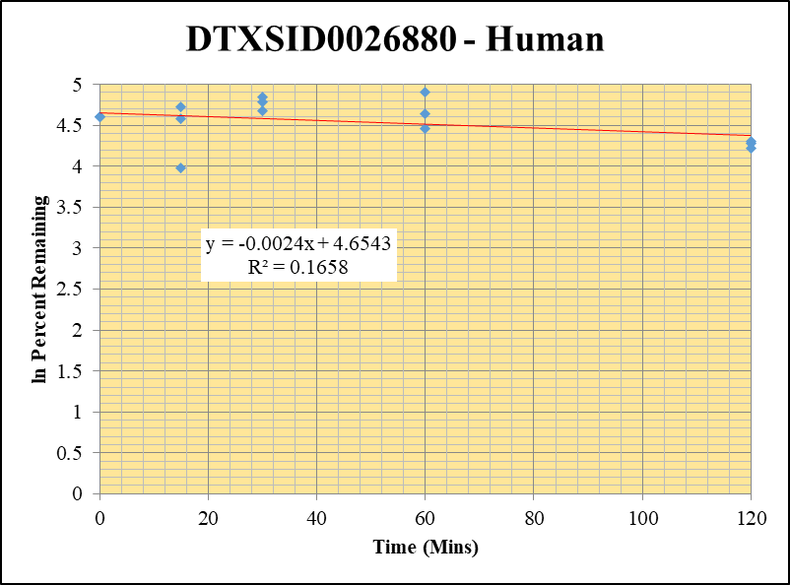
Blank_1_01 | DTXSID0026880 | 43 | 66886736.018 | 7091427.0945 | 0 |  |  |  | DTXSID0026880 - Human | 10 |  |  |  | Time (Mins) | % Remaining Replica 1 | % Remaining Replica 2 | % Remaining Replica 3 | Average
Blank_2_02 | DTXSID0026880 | 43 | 83241608.824 | 6842340.8362 | 0 | Blank not used |  |  | Time (Mins) | 176 |  |  |  | 120 | 68.3% | 72.5% | 74.3% | 71.7%
 |  |  |  |  |  |  |  |  | ln Percent Remaining | 190 |  |  |  | 60 | 135.2% | 103.4% | 86.5% | 108.4%
DTXSID0026880_10uM___120_1_490 | DTXSID0026880 | 43 | 23776292.981 | 5104466.8623 | 4.6579385511 | 68.283252554 | 120 | 4.2236645323 |  |  | 1 | 120 | 4.2236645323 | 30 | 119.1% | 107.8% | 127.6% | 118.2%
DTXSID0026880_10uM___120_2_491 | DTXSID0026880 | 43 | 29787268.303 | 5182406.5866 | 5.7477675295 | 72.544495873 | 120 | 4.2842001098 |  |  | 2 | 120 | 4.2842001098 | 15 | 112.6% | 97.0% | 53.7% | 87.8%
DTXSID0026880_10uM___120_3_492 | DTXSID0026880 | 43 | 30334392.96 | 5137978.7765 | 5.9039545081 | 74.33347944 | 120 | 4.3085614483 |  |  | 3 | 120 | 4.3085614483 | 0 | 100% | 100% | 100% | 100%
DTXSID0026880_10uM___60_1_493 | DTXSID0026880 | 43 | 42531472.494 | 4612027.5219 | 9.2218600804 | 135.18825849 | 60 | 4.9066683144 |  |  | 4 | 60 | 4.9066683144
DTXSID0026880_10uM___60_2_494 | DTXSID0026880 | 43 | 40215918.311 | 4908977.4219 | 8.192320896 | 103.3980213 | 60 | 4.6385858255 |  |  | 5 | 60 | 4.6385858255 | Slope | -0.0024
DTXSID0026880_10uM___60_3_495 | DTXSID0026880 | 43 | 30554177.478 | 4669210.6179 | 6.8728092304 | 86.531802188 | 60 | 4.4605120017 |  |  | 6 | 60 | 4.4605120017 | Intercept | 4.65
DTXSID0026880_10uM___30_1_496 | DTXSID0026880 | 43 | 38257480.698 | 4709624.633 | 8.1232547558 | 119.08320601 | 30 | 4.7798224589 |  |  | 7 | 30 | 4.7798224589 | R2 | 0.166
DTXSID0026880_10uM___30_2_497 | DTXSID0026880 | 43 | 36311793.013 | 4253112.5161 | 8.537698656 | 107.75714949 | 30 | 4.6798800794 |  |  | 8 | 30 | 4.6798800794 | T½ (mins) | 294.9
DTXSID0026880_10uM___30_3_498 | DTXSID0026880 | 43 | 42464785.426 | 4188965.2778 | 10.137297067 | 127.63319265 | 30 | 4.8491604676 |  |  | 9 | 30 | 4.8491604676 | CLint (µl/min/106 cells) | 4.7
DTXSID0026880_10uM___15_1_499 | DTXSID0026880 | 43 | 33339390.449 | 4338736.8135 | 7.6841237165 | 112.64574546 | 15 | 4.7242478984 |  |  | 10 | 15 | 4.7242478984 | Comments
DTXSID0026880_10uM___15_2_500 | DTXSID0026880 | 43 | 33182287.926 | 4318104.0008 | 7.6844577896 | 96.988111218 | 15 | 4.5745884062 |  |  | 11 | 15 | 4.5745884062
DTXSID0026880_10uM___15_3_501 | DTXSID0026880 | 43 | 27251966.257 | 6393425.4758 | 4.2624984619 | 53.666799319 | 15 | 3.9827945481 |  |  | 12 | 15 | 3.9827945481
DTXSID0026880_10uM___0_1_502 | DTXSID0026880 | 43 | 31417545.81 | 4605668.7774 | 6.8214948422 | 100 | 0 | 4.605170186 |  |  | 13 | 0 | 4.605170186
DTXSID0026880_10uM___0_2_503 | DTXSID0026880 | 43 | 32994115.229 | 4164297.6057 | 7.9230925245 | 100 | 0 | 4.605170186 |  |  | 14 | 0 | 4.605170186
DTXSID0026880_10uM___0_3_504 | DTXSID0026880 | 43 | 33428339.279 | 4208780.3472 | 7.9425240856 | 100 | 0 | 4.605170186 |  |  | 15 | 0 | 4.605170186

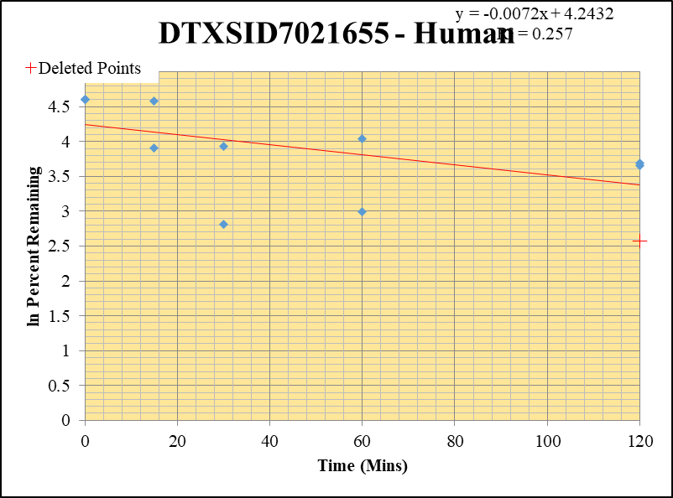
Blank_2_02 | DTXSID7021655 | 60 | 509059.59361 | 6842340.8362 | 0.074398455996 |  |  |  | DTXSID7021655 - Human | 11 |  |  |  | Time (Mins) | % Remaining Replica 1 | % Remaining Replica 2 | % Remaining Replica 3 | Average
Blank_3_03 | DTXSID7021655 | 60 | 541159.37971 | 6805910.1666 | 0.07951315349 |  |  |  | Time (Mins) | 195 |  |  |  | 120 | 40.0% | 38.6% | 7.51% | 39.3%
 |  |  |  |  |  |  |  |  | ln Percent Remaining | 209 |  |  |  | 60 | 488.12% | 56.6% | 20.0% | 38.3%
DTXSID7021655_10uM___120_1_94 | DTXSID7021655 | 60 | 1200060.8279 | 7351782.148 | 0.16323400283 | 39.988111368 | 120 | 3.6885821941 |  |  | 1 | 120 | 3.6885821941 | 30 | 1.41% | 51.0% | 17% | 33.9%
DTXSID7021655_10uM___120_2_95 | DTXSID7021655 | 60 | 1360179.3314 | 7275379.4059 | 0.18695648096 | 38.619468101 | 120 | 3.6537565043 |  |  | 2 | 120 | 3.6537565043 | 15 | 97.0% | 395.26% | 49.7% | 73.4%
DTXSID7021655_10uM___120_3_96 | DTXSID7021655 | 60 | 1243420.0645 | 7497754.397 | 0.1658389964 | 7.5102907693 | 120 | 2.016 |  |  |  | 60 | 4.0358605123 | 0 | 100% | 100% | 100% | 100%
DTXSID7021655_10uM___60_1_97 | DTXSID7021655 | 60 | 9913633.2194 | 8772119.3072 | 1.130129775 | 488.12375489 | 60 | 6.191 |  |  |  | 60 | 2.9979043977
DTXSID7021655_10uM___60_2_98 | DTXSID7021655 | 60 | 1424552.6397 | 5981823.4222 | 0.2381468892 | 56.591597056 | 60 | 4.0358605123 |  |  | 5 | 30 | 3.9321484035 | Slope | -0.00723
DTXSID7021655_10uM___60_3_99 | DTXSID7021655 | 60 | 1651245.9291 | 5255940.0875 | 0.31416757071 | 20.043489698 | 60 | 2.9979043977 |  |  | 6 | 30 | 2.8145854586 | Intercept | 4.24
DTXSID7021655_10uM___30_1_100 | DTXSID7021655 | 60 | NF | 2297936.1935 | 0.08 | 1.4109198115 | 30 | 0.344 |  |  |  | 15 | 4.5745930697 | R2 | 0.257
DTXSID7021655_10uM___30_2_101 | DTXSID7021655 | 60 | 1433766.6042 | 6450646.5581 | 0.22226711559 | 51.016463965 | 30 | 3.9321484035 |  |  | 8 | 15 | 3.9065111637 | T½ (mins) | 96
DTXSID7021655_10uM___30_3_102 | DTXSID7021655 | 60 | 1661853.6606 | 6055540.8556 | 0.27443521565 | 16.686257201 | 30 | 2.8145854586 |  |  | 9 | 0 | 4.605170186 | CLint (µl/min/106 cells) | 14.47
DTXSID7021655_10uM___15_1_103 | DTXSID7021655 | 60 | 1682104.1814 | 5877004.2344 | 0.28621796314 | 96.988563519 | 15 | 4.5745930697 |  |  | 10 | 0 | 4.605170186 | Comments | Points Deleted: (120,2.5770) (60,5.9560) (30,5.9010) (15,6.4230)
DTXSID7021655_10uM___15_2_104 | DTXSID7021655 | 60 | 1909556.1395 | 1587601.0386 | 1.2027934557 | 395.26349059 |  | 5.980 |  |  |  | 0 | 4.605170186
DTXSID7021655_10uM___15_3_105 | DTXSID7021655 | 60 | 6091535.8082 | 9154066.6711 | 0.66544586435 | 49.72516603 | 15 | 3.9065111637 |  |  | 12
DTXSID7021655_10uM___0_1_106 | DTXSID7021655 | 60 | 1651650.1484 | 5642511.4476 | 0.29271542712 | 100 | 0 | 4.605170186 |  |  | 13
DTXSID7021655_10uM___0_2_107 | DTXSID7021655 | 60 | 2034124.4524 | 5622421.1136 | 0.36178799333 | 100 | 0 | 4.605170186 |  |  | 14
DTXSID7021655_10uM___0_3_108 | DTXSID7021655 | 60 | 12763690.832 | 10126367.815 | 1.2604411636 | 100 | 0 | 4.605170186 |  |  | 15

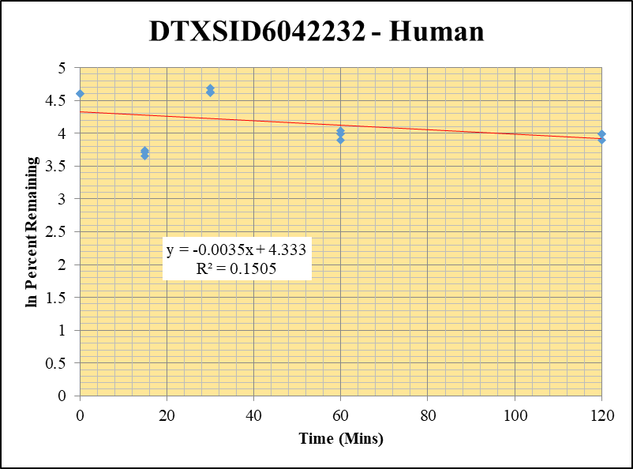
Blank_4_01 | DTXSID6042232 | 59 | 3835334.5459 | 15426178.618 | 0.24862505749 |  |  |  | DTXSID6042232 - Human | 12 |  |  |  | Time (Mins) | % Remaining Replica 1 | % Remaining Replica 2 | % Remaining Replica 3 | Average
Blank_5_02 | DTXSID6042232 | 59 | 4665929.319 | 17640900.345 | 0.26449496499 |  |  |  | Time (Mins) | 214 |  |  |  | 120 | 54.1% | 49.1% | 54.1% | 52.4%
 |  |  |  |  |  |  |  |  | ln Percent Remaining | 228 |  |  |  | 60 | 56.7% | 49.1% | 54% | 53.3%
DTXSID6042232_10uM___120_1_526 | DTXSID6042232 | 59 | 35430013.844 | 5050317.1739 | 7.015403711 | 54.091682368 | 120 | 3.9906804285 |  |  | 1 | 120 | 3.9906804285 | 30 | 100.8% | 102.5% | 108.5% | 103.9%
DTXSID6042232_10uM___120_2_527 | DTXSID6042232 | 59 | 33250478.186 | 5368367.9405 | 6.1937778026 | 49.12294726 | 120 | 3.8943262833 |  |  | 2 | 120 | 3.8943262833 | 15 | 42.0% | 40.9% | 38% | 40.4%
DTXSID6042232_10uM___120_3_528 | DTXSID6042232 | 59 | 35890018.531 | 5542266.383 | 6.4756935252 | 54.10015219 | 120 | 3.990836999 |  |  | 3 | 120 | 3.990836999 | 0 | 100% | 100% | 100% | 100%
DTXSID6042232_10uM___60_1_529 | DTXSID6042232 | 59 | 34167645.596 | 4657257.9564 | 7.3364297009 | 56.660884534 | 60 | 4.0370841055 |  |  | 4 | 60 | 4.0370841055
DTXSID6042232_10uM___60_2_530 | DTXSID6042232 | 59 | 29012405.269 | 4685921.4229 | 6.1913981585 | 49.103258722 | 60 | 3.8939254017 |  |  | 5 | 60 | 3.8939254017 | Slope | -0.00348
DTXSID6042232_10uM___60_3_531 | DTXSID6042232 | 59 | 31251022.591 | 4810513.028 | 6.4964011965 | 54.280287922 | 60 | 3.9941611393 |  |  | 6 | 60 | 3.9941611393 | Intercept | 4.33
DTXSID6042232_10uM___30_1_532 | DTXSID6042232 | 59 | 62454653.286 | 4861883.8929 | 12.845772269 | 100.75268803 | 30 | 4.6126688806 |  |  | 7 | 30 | 4.6126688806 | R2 | 0.150
DTXSID6042232_10uM___30_2_533 | DTXSID6042232 | 59 | 47542278.3 | 3758400.1999 | 12.64960509 | 102.53673037 | 30 | 4.6302210794 |  |  | 8 | 30 | 4.6302210794 | T½ (mins) | 199
DTXSID6042232_10uM___30_3_534 | DTXSID6042232 | 59 | 46225304.969 | 3631120.4697 | 12.730314336 | 108.50900786 | 30 | 4.6868331913 |  |  | 9 | 30 | 4.6868331913 | CLint (µl/min/106 cells) | 6.96
DTXSID6042232_10uM___15_1_535 | DTXSID6042232 | 59 | 24655858.89 | 4482589.0343 | 5.5003612201 | 41.966650213 | 15 | 3.7368752603 |  |  | 10 | 15 | 3.7368752603 | Comments
DTXSID6042232_10uM___15_2_536 | DTXSID6042232 | 59 | 23855905.163 | 4584994.9851 | 5.2030384419 | 40.92583557 | 15 | 3.7117615401 |  |  | 11 | 15 | 3.7117615401
DTXSID6042232_10uM___15_3_537 | DTXSID6042232 | 59 | 20188156.08 | 4316571.9961 | 4.6768954852 | 38.452434143 | 15 | 3.6494220007 |  |  | 12 | 15 | 3.6494220007
DTXSID6042232_10uM___0_1_538 | DTXSID6042232 | 59 | 50799960.383 | 3983772.3635 | 12.751722676 | 100 | 0 | 4.605170186 |  |  | 13 | 0 | 4.605170186
DTXSID6042232_10uM___0_2_539 | DTXSID6042232 | 59 | 47926809.835 | 3882912.748 | 12.343004581 | 100 | 0 | 4.605170186 |  |  | 14 | 0 | 4.605170186
DTXSID6042232_10uM___0_3_540 | DTXSID6042232 | 59 | 48298406.03 | 4109749.4578 | 11.752153392 | 100 | 0 | 4.605170186 |  |  | 15 | 0 | 4.605170186

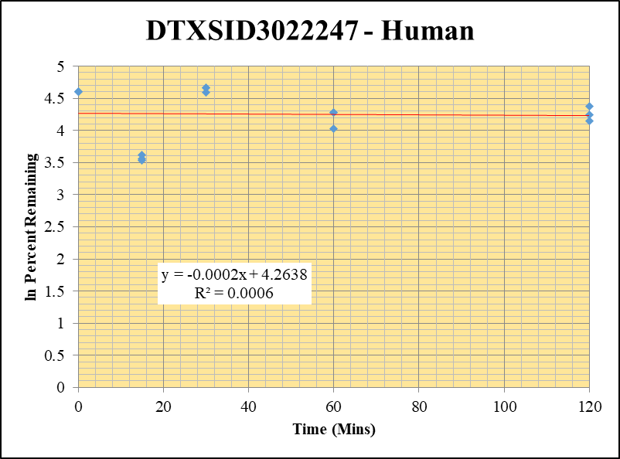
Blank_4_01 | DTXSID3022247 | 69 | NF | 15426178.618 | 0 |  |  |  | DTXSID3022247 - Human | 13 |  |  |  | Time (Mins) | % Remaining Replica 1 | % Remaining Replica 2 | % Remaining Replica 3 | Average
Blank_5_02 | DTXSID3022247 | 69 | NF | 17640900.345 | 0 |  |  |  | Time (Mins) | 233 |  |  |  | 120 | 79.60% | 69.41% | 62.98% | 70.66%
 |  |  |  |  |  |  |  |  | ln Percent Remaining | 247 |  |  |  | 60 | 72.1% | 56.1% | 72.1% | 66.8%
DTXSID3022247_10uM___120_1_382 | DTXSID3022247 | 69 | 5261619.7157 | 7564779.4735 | 0.69554171858 | 79.602423744 | 120 | 4.3770445414 |  |  | 1 | 120 | 4.3770445414 | 30 | 106.7% | 98.4% | 107% | 103.9%
DTXSID3022247_10uM___120_2_383 | DTXSID3022247 | 69 | 4878019.3492 | 7232573.2593 | 0.67445142612 | 69.411208625 | 120 | 4.240048362 |  |  | 2 | 120 | 4.240048362 | 15 | 34.3% | 35.0% | 37.4% | 35.6%
DTXSID3022247_10uM___120_3_384 | DTXSID3022247 | 69 | 4448410.7926 | 8144983.5921 | 0.54615343817 | 62.980414079 | 120 | 4.1428237904 |  |  | 3 | 120 | 4.1428237904 | 0 | 100.0% | 100.0% | 100% | 100.0%
DTXSID3022247_10uM___60_1_385 | DTXSID3022247 | 69 | 4202458.826 | 6672579.3642 | 0.62981024228 | 72.079676093 | 60 | 4.2777721196 |  |  | 4 | 60 | 4.2777721196
DTXSID3022247_10uM___60_2_386 | DTXSID3022247 | 69 | 3507426.8978 | 6429466.1608 | 0.54552381334 | 56.14261569 | 60 | 4.0278951621 |  |  | 5 | 60 | 4.0278951621 | Slope | -0.00023190728355
DTXSID3022247_10uM___60_3_387 | DTXSID3022247 | 69 | 2993501.826 | 4789643.3702 | 0.62499472187 | 72.072102142 | 60 | 4.2776670366 |  |  | 6 | 60 | 4.2776670366 | Intercept | 4.26378
DTXSID3022247_10uM___30_1_388 | DTXSID3022247 | 69 | 5449259.6541 | 5846579.3679 | 0.93204236379 | 106.66913171 | 30 | 4.6697318167 |  |  | 7 | 30 | 4.6697318167 | R2 | 0.00
DTXSID3022247_10uM___30_2_389 | DTXSID3022247 | 69 | 5425219.329 | 5674281.8268 | 0.95610678049 | 98.39778617 | 30 | 4.5890183055 |  |  | 8 | 30 | 4.5890183055 | T½ (mins) | 2988.898
DTXSID3022247_10uM___30_3_390 | DTXSID3022247 | 69 | 4856737.9649 | 5248130.0084 | 0.92542257093 | 106.71634131 | 30 | 4.6701742985 |  |  | 9 | 30 | 4.6701742985 | CLint (µl/min/106 cells) | 0.464
DTXSID3022247_10uM___15_1_391 | DTXSID3022247 | 69 | 1683501.7735 | 5610023.5225 | 0.30008818443 | 34.344089189 | 15 | 3.5364299278 |  |  | 10 | 15 | 3.5364299278 | Comments
DTXSID3022247_10uM___15_2_392 | DTXSID3022247 | 69 | 1632467.9557 | 4805113.6884 | 0.33973555289 | 34.963904629 | 15 | 3.554316233 |  |  | 11 | 15 | 3.554316233
DTXSID3022247_10uM___15_3_393 | DTXSID3022247 | 69 | 1498383.8157 | 4619862.4918 | 0.32433515465 | 37.401142083 | 15 | 3.6217012409 |  |  | 12 | 15 | 3.6217012409
DTXSID3022247_10uM___0_1_394 | DTXSID3022247 | 69 | 4103788.3363 | 4696648.517 | 0.87376952342 | 100 | 0 | 4.605170186 |  |  | 13 | 0 | 4.605170186
DTXSID3022247_10uM___0_2_395 | DTXSID3022247 | 69 | 4708604.464 | 4845863.0841 | 0.97167509322 | 100 | 0 | 4.605170186 |  |  | 14 | 0 | 4.605170186
DTXSID3022247_10uM___0_3_396 | DTXSID3022247 | 69 | 3299831.2382 | 3805244.5202 | 0.86717981479 | 100 | 0 | 4.605170186 |  |  | 15 | 0 | 4.605170186

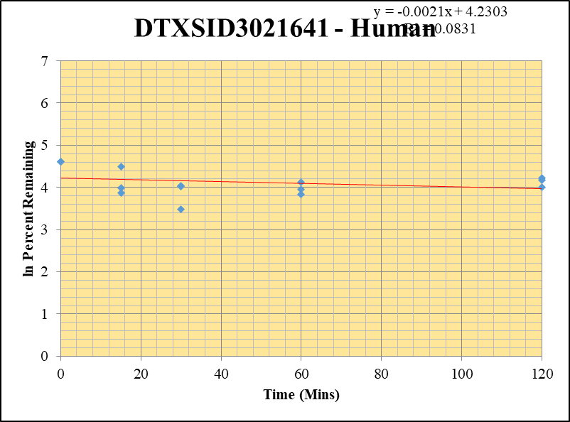
Blank_4_01 | DTXSID3021641 | 73 | NF | 15426178.618 | 0 |  |  |  | DTXSID3021641 - Human | 2 |  |  |  | Time (Mins) | % Remaining Replica 1 | % Remaining Replica 2 | % Remaining Replica 3 | Average
Blank_5_02 | DTXSID3021641 | 73 | NF | 17640900.345 | 0 |  |  |  | Time (Mins) | 24 |  |  |  | 120 | 65% | 55% | 68% | 62%
 |  |  |  |  |  |  |  |  | ln Percent Remaining | 38 |  |  |  | 60 | 46% | 62% | 52% | 53%
DTXSID3021641_10uM___120_1_310 | DTXSID3021641 | 73 | 1174649.0512 | 6988421.8671 | 0.16808502314 | 64.660435626 | 120 | 4.1691495094 |  |  | 1 | 120 | 4.1691495094 | 30 | 56% | 56% | 33% | 48%
DTXSID3021641_10uM___120_2_311 | DTXSID3021641 | 73 | 1225060.9643 | 6695875.7231 | 0.18295754207 | 54.893729999 | 120 | 4.0053991343 |  |  | 2 | 120 | 4.0053991343 | 15 | 89% | 48% | 54% | 64%
DTXSID3021641_10uM___120_3_312 | DTXSID3021641 | 73 | 1454934.717 | 6650681.4481 | 0.21876475792 | 67.860545861 | 120 | 4.2174548033 |  |  | 3 | 120 | 4.2174548033 | 0 | 100% | 100% | 100% | 100%
DTXSID3021641_10uM___60_1_313 | DTXSID3021641 | 73 | 1053155.2037 | 8731260.0878 | 0.12061892478 | 46.400756445 | 60 | 3.8373157618 |  |  | 4 | 60 | 3.8373157618
DTXSID3021641_10uM___60_2_314 | DTXSID3021641 | 73 | 1151703.9488 | 5562223.1499 | 0.20705820636 | 62.124781224 | 60 | 4.1291449629 |  |  | 5 | 60 | 4.1291449629 | Slope | -0.0021
DTXSID3021641_10uM___60_3_315 | DTXSID3021641 | 73 | 1192395.8229 | 7148192.4539 | 0.16681081695 | 51.744500355 | 60 | 3.9463181532 |  |  | 6 | 60 | 3.9463181532 | Intercept | 4.23
DTXSID3021641_10uM___30_1_316 | DTXSID3021641 | 73 | 736844.50564 | 5068757.8361 | 0.14536983803 | 55.922157003 | 30 | 4.0239606702 |  |  | 7 | 30 | 4.0239606702 | R2 | 0.083
DTXSID3021641_10uM___30_2_317 | DTXSID3021641 | 73 | 1000691.7641 | 5334213.0955 | 0.18759876034 | 56.286259545 | 30 | 4.0304504475 |  |  | 8 | 30 | 4.0304504475 | T½ (mins) | 325.7654133
DTXSID3021641_10uM___30_3_318 | DTXSID3021641 | 73 | 925155.71425 | 8786741.9865 | 0.10528996022 | 32.660809915 | 30 | 3.4861758856 |  |  | 9 | 30 | 3.4861758856 | CLint (µl/min/106 cells) | 4.3
DTXSID3021641_10uM___15_1_319 | DTXSID3021641 | 73 | 1367812.3884 | 5898974.474 | 0.23187291189 | 89.198925712 | 15 | 4.4908689959 |  |  | 10 | 15 | 4.4908689959 | Comments
DTXSID3021641_10uM___15_2_320 | DTXSID3021641 | 73 | 910590.77112 | 5669939.8931 | 0.16059972209 | 48.185593679 | 15 | 3.8750600901 |  |  | 11 | 15 | 3.8750600901
DTXSID3021641_10uM___15_3_321 | DTXSID3021641 | 73 | 1038456.0891 | 5948053.5626 | 0.17458754837 | 54.156832416 | 15 | 3.9918841412 |  |  | 12 | 15 | 3.9918841412
DTXSID3021641_10uM___0_1_322 | DTXSID3021641 | 73 | 1367102.7744 | 5259092.0528 | 0.25995034137 | 100 | 0 | 4.605170186 |  |  | 13 | 0 | 4.605170186
DTXSID3021641_10uM___0_2_323 | DTXSID3021641 | 73 | 1784057.9036 | 5352804.3588 | 0.33329406121 | 100 | 0 | 4.605170186 |  |  | 14 | 0 | 4.605170186
DTXSID3021641_10uM___0_3_324 | DTXSID3021641 | 73 | 2158697.2895 | 6696251.1608 | 0.32237400265 | 100 | 0 | 4.605170186 |  |  | 15 | 0 | 4.605170186

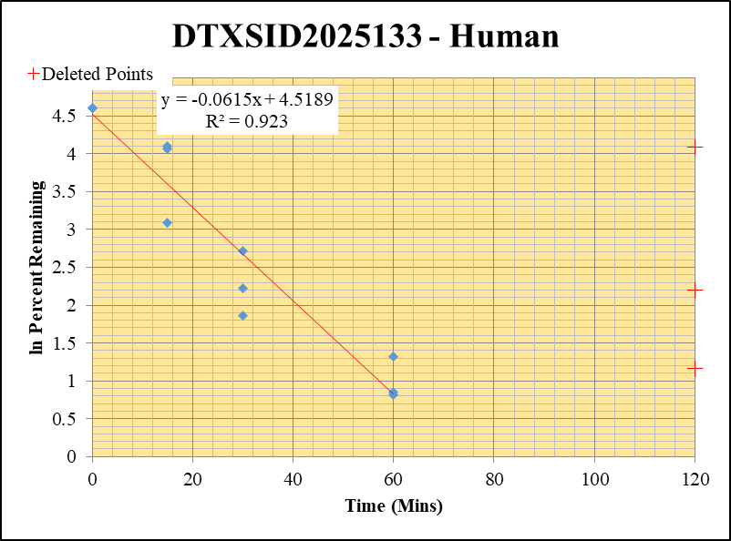
Blank_4_01 | DTXSID2025133 | 151 | 0 | 15426178.618 | 0 |  |  |  | DTXSID2025133 - Human | 3 |  |  |  | Time (Mins) | % Remaining Replica 1 | % Remaining Replica 2 | % Remaining Replica 3 | Average
Blank_5_02 | DTXSID2025133 | 151 | 0 | 17640900.345 | 0 |  |  |  | Time (Mins) | 43 |  |  |  | 120 | 3.22% | 59.52% | 8.99%
 |  |  |  |  |  |  |  |  | ln Percent Remaining | 57 |  |  |  | 60 | 2.3% | 3.7% | 2.3% | 2.8%
DTXSID2025133_10uM___120_1_166 | DTXSID2025133 | 151 | 393260.52976 | 18524880.487 | 0.02122877554 | 3.2188080975 | 120 | 1.169 |  |  |  | 60 | 0.84602517391 | 30 | 6.4% | 9.2% | 15.2% | 10.3%
DTXSID2025133_10uM___120_2_167 | DTXSID2025133 | 151 | NF | NF | 0.18695648096 | 59.515830057 | 120 | 4.086 |  |  |  | 60 | 1.3213886384 | 15 | 22.1% | 60.6% | 58.1% | 46.9%
DTXSID2025133_10uM___120_3_168 | DTXSID2025133 | 151 | 329231.03964 | 10509839.225 | 0.0313259825 | 8.9859669781 | 120 | 2.196 |  |  |  | 60 | 0.81754020467 | 0 | 100% | 100% | 100% | 100%
DTXSID2025133_10uM___60_1_169 | DTXSID2025133 | 151 | 485429.28528 | 31584357.642 | 0.015369294218 | 2.3303656204 | 60 | 0.84602517391 |  |  | 4 | 30 | 1.8601511982
DTXSID2025133_10uM___60_2_170 | DTXSID2025133 | 151 | 391767.88638 | 33269709.565 | 0.011775512666 | 3.7486232469 | 60 | 1.3213886384 |  |  | 5 | 30 | 2.2210990639 | Slope | -0.06147
DTXSID2025133_10uM___60_3_171 | DTXSID2025133 | 151 | 295623.75427 | 37440897.069 | 0.0078957444242 | 2.2649217359 | 60 | 0.81754020467 |  |  | 6 | 30 | 2.7210876501 | Intercept | 4.52
DTXSID2025133_10uM___30_1_172 | DTXSID2025133 | 151 | 1451625.5557 | 34258736.724 | 0.042372419257 | 6.4247081023 | 30 | 1.8601511982 |  |  | 7 | 15 | 3.0933745591 | R2 | 0.923
DTXSID2025133_10uM___30_2_173 | DTXSID2025133 | 151 | 923702.15455 | 31901628.963 | 0.028954701831 | 9.2174558735 | 30 | 2.2210990639 |  |  | 8 | 15 | 4.1048136139 | T½ (mins) | 11
DTXSID2025133_10uM___30_3_174 | DTXSID2025133 | 151 | 1373160.413 | 25919584.82 | 0.052977716367 | 15.196842106 | 30 | 2.7210876501 |  |  | 9 | 15 | 4.0616210402 | CLint (µl/min/106 cells) | 122.95
DTXSID2025133_10uM___15_1_175 | DTXSID2025133 | 151 | 4015939.8073 | 27613523.948 | 0.14543380319 | 22.051366198 | 15 | 3.0933745591 |  |  | 10 | 0 | 4.605170186 | Comments | Points Deleted: (120,1.1690) (120,4.0860) (120,2.1960)
DTXSID2025133_10uM___15_2_176 | DTXSID2025133 | 151 | 6426209.8671 | 33740302.584 | 0.19046094359 | 60.631442638 | 15 | 4.1048136139 |  |  | 11 | 0 | 4.605170186
DTXSID2025133_10uM___15_3_177 | DTXSID2025133 | 151 | 5727590.5005 | 28293877.709 | 0.20243215014 | 58.068365981 | 15 | 4.0616210402 |  |  | 12 | 0 | 4.605170186
DTXSID2025133_10uM___0_1_178 | DTXSID2025133 | 151 | 19922285.231 | 30207118.118 | 0.65952286986 | 100 | 0 | 4.605170186 |  |  | 13
DTXSID2025133_10uM___0_2_179 | DTXSID2025133 | 151 | 10271354.3 | 32697886.367 | 0.31412899859 | 100 | 0 | 4.605170186 |  |  | 14
DTXSID2025133_10uM___0_3_180 | DTXSID2025133 | 151 | 11076485.968 | 31773285.049 | 0.34861003358 | 100 | 0 | 4.605170186 |  |  | 15

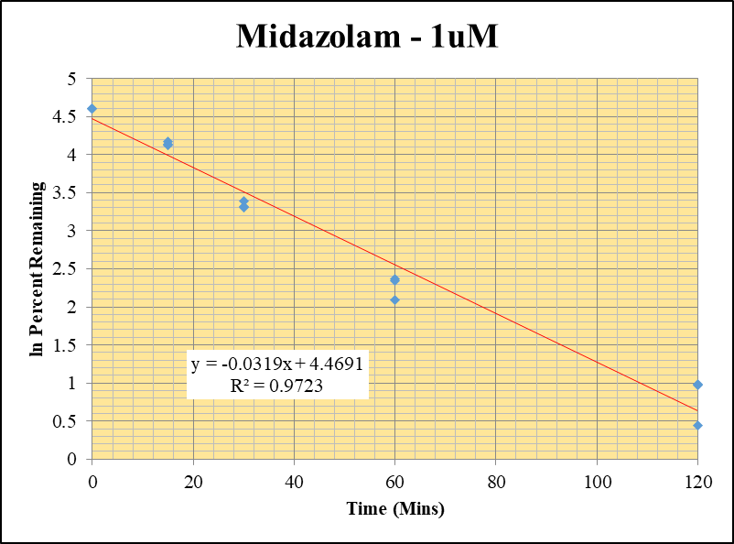
Blank_Human___1_____5P1_Inj 2020Dec18_EPA_3 | Midazolam | 326.2 / 291.0 | 20.02 | 537700 | 0.00003724 |  |  |  | Midazolam - 1uM | 1 |  |  |  | Time (Mins) | % Remaining Replica 1 | % Remaining Replica 2 | % Remaining Replica 3 | Average
Blank_Human___2_____5P1_Inj 2020Dec18_EPA_4 | Midazolam | 326.2 / 291.0 | 24.9 | 823100 | 0.00003025 |  |  |  | Time (Mins) | 4 |  |  |  | 120 | 2.69% | 2.65% | 1.55% | 2.30%
Midazolam_1uM_Human__120_1_____5P1_Inj 2020Dec18_EPA_7 | Midazolam | 326.2 / 291.0 | 9467 | 408900 | 0.02315 | 2.6880421023 | 120 | 0.9888130856 | ln Percent Remaining | 18 | 1 | 120 | 0.9888130856 | 60 | 10.7% | 10.5% | 8.11% | 9.76%
Midazolam_1uM_Human__120_2_____5P1_Inj 2020Dec18_EPA_8 | Midazolam | 326.2 / 291.0 | 10450 | 426400 | 0.02452 | 2.648977596 | 120 | 0.97417375273 |  |  | 2 | 120 | 0.97417375273 | 30 | 29.8% | 27.6% | 27.2% | 28.2%
Midazolam_1uM_Human__120_3_____5P1_Inj 2020Dec18_EPA_9 | Midazolam | 326.2 / 291.0 | 5484 | 420400 | 0.01305 | 1.5492475355 | 120 | 0.43776935211 |  |  | 3 | 120 | 0.43776935211 | 15 | 64.5% | 61.9% | 62.7% | 63.0%
Midazolam_1uM_Human__60_1_____5P2_Inj 2020Dec18_EPA_10 | Midazolam | 326.2 / 291.0 | 42520 | 461300 | 0.09217 | 10.713938421 | 60 | 2.3715455499 |  |  | 4 | 60 | 2.3715455499 | 0 | 100% | 100% | 100% | 100%
Midazolam_1uM_Human__60_2_____5P2_Inj 2020Dec18_EPA_11 | Midazolam | 326.2 / 291.0 | 47560 | 492000 | 0.09666 | 10.453243449 | 60 | 2.3469123082 |  |  | 5 | 60 | 2.3469123082
Midazolam_1uM_Human__60_3_____5P2_Inj 2020Dec18_EPA_12 | Midazolam | 326.2 / 291.0 | 33650 | 493700 | 0.06816 | 8.1086635645 | 60 | 2.0929330659 |  |  | 6 | 60 | 2.0929330659 | Slope | -0.0319
Midazolam_1uM_Human__30_1_____5P3_Inj 2020Dec18_EPA_13 | Midazolam | 326.2 / 291.0 | 128700 | 502700 | 0.2561 | 29.776314304 | 30 | 3.3937132555 |  |  | 7 | 30 | 3.3937132555 | Intercept | 4.47
Midazolam_1uM_Human__30_2_____5P3_Inj 2020Dec18_EPA_14 | Midazolam | 326.2 / 291.0 | 138300 | 542500 | 0.255 | 27.582817268 | 30 | 3.3171930161 |  |  | 8 | 30 | 3.3171930161 | R2 | 0.972
Midazolam_1uM_Human__30_3_____5P3_Inj 2020Dec18_EPA_15 | Midazolam | 326.2 / 291.0 | 138500 | 605900 | 0.2285 | 27.192981584 | 30 | 3.30295891 |  |  | 9 | 30 | 3.30295891 | T½ (mins) | 21.7
Midazolam_1uM_Human__15_1_____5P4_Inj 2020Dec18_EPA_16 | Midazolam | 326.2 / 291.0 | 354800 | 639900 | 0.5544 | 64.463721893 | 15 | 4.1661026143 |  |  | 10 | 15 | 4.1661026143 | CLint (µl/min/106 cells) | 63.9
Midazolam_1uM_Human__15_2_____5P4_Inj 2020Dec18_EPA_17 | Midazolam | 326.2 / 291.0 | 341600 | 596600 | 0.5726 | 61.941492553 | 15 | 4.126190271 |  |  | 11 | 15 | 4.126190271 | Comments | Control
Midazolam_1uM_Human__15_3_____5P4_Inj 2020Dec18_EPA_18 | Midazolam | 326.2 / 291.0 | 343700 | 652700 | 0.5266 | 62.674054316 | 15 | 4.1379475552 |  |  | 12 | 15 | 4.1379475552
Midazolam_1uM_Human__0_1_____5P5_Inj 2020Dec18_EPA_19 | Midazolam | 326.2 / 291.0 | 481000 | 559300 | 0.86 | 100 | 0 | 4.605170186 |  |  | 13 | 0 | 4.605170186
Midazolam_1uM_Human__0_2_____5P5_Inj 2020Dec18_EPA_20 | Midazolam | 326.2 / 291.0 | 523100 | 565800 | 0.9244 | 100 | 0 | 4.605170186 |  |  | 14 | 0 | 4.605170186
Midazolam_1uM_Human__0_3_____5P5_Inj 2020Dec18_EPA_21 | Midazolam | 326.2 / 291.0 | 493200 | 587100 | 0.8402 | 100 | 0 | 4.605170186 |  |  | 15 | 0 | 4.605170186

10 uM HI
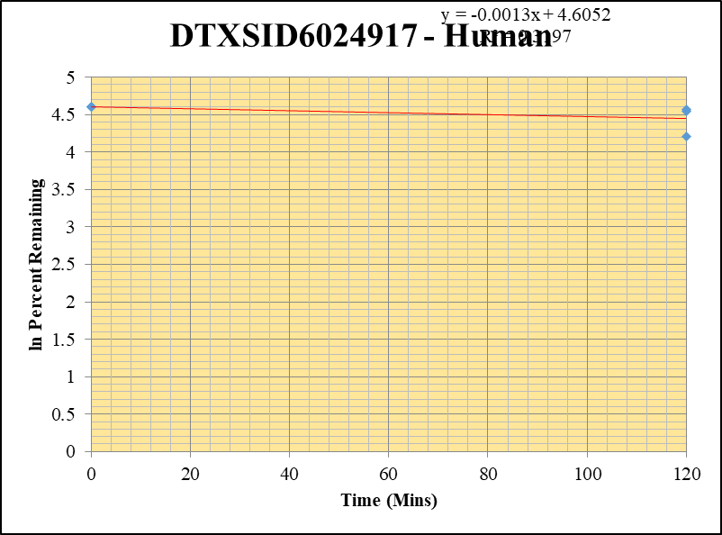
SampleName | CompoundName | Transition | Area | ISTD Area | ISTDResponseRatio | % Remaining | Time (mins) | ln % Remaining
Blank_2_02 | DTXSID6024917 | 101 | 0 | 6842340.8362 | 0 |  |  |  | DTXSID6024917 - Human | 2 |  |  |  | Time (Mins) | % Remaining Replica 1 | % Remaining Replica 2 | % Remaining Replica 3 | Average
Blank_3_03 | DTXSID6024917 | 101 | 0 | 6805910.1666 | 0 |  |  |  | Time (Mins) | 25 |  |  |  | 120 | 94.6% | 96.9% | 67.6% | 86.4%
 |  |  |  |  |  |  |  |  | ln Percent Remaining | 30 |  |  |  | 0 | 100% | 100% | 100% | 100%
DTXSID6024917_10uM_HI__120_1_73 | DTXSID6024917 | 93 | 38569.72367 | 6371173.6767 | 0.0060537862609 | 94.61187465 | 120 | 4.549782993 |  |  | 1 | 120 | 4.549782993
DTXSID6024917_10uM_HI__120_2_74 | DTXSID6024917 | 93 | 35411.027423 | 6494533.9344 | 0.0054524355067 | 96.903500525 | 120 | 4.5737156434 |  |  | 2 | 120 | 4.5737156434
DTXSID6024917_10uM_HI__120_3_75 | DTXSID6024917 | 93 | 39164.840816 | 10908634.752 | 0.0035902605326 | 67.550616333 | 120 | 4.2128771885 |  |  | 3 | 120 | 4.2128771885
DTXSID6024917_10uM___0_1_70 | DTXSID6024917 | 101 | 34547.220585 | 5399228.1236 | 0.0063985480505 | 100 | 0 | 4.605170186 |  |  | 4 | 0 | 4.605170186
DTXSID6024917_10uM___0_2_71 | DTXSID6024917 | 101 | 33132.453742 | 5888470.8397 | 0.0056266651639 | 100 | 0 | 4.605170186 |  |  | 5 | 0 | 4.605170186
DTXSID6024917_10uM___0_3_72 | DTXSID6024917 | 101 | 33025.635064 | 6213760.765 | 0.0053149189859 | 100 | 0 | 4.605170186 |  |  | 6 | 0 | 4.605170186

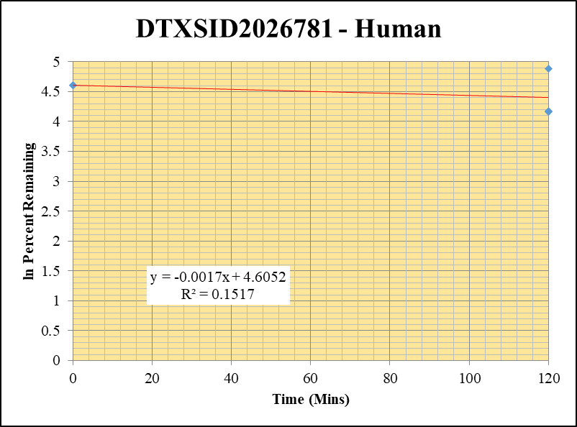
Blank_5_02 | DTXSID2026781 | 69 | 501312.37821 | 17640900.345 | 0.028417618626 |  |  |  | DTXSID2026781 - Human | 3 |  |  |  | Time (Mins) | % Remaining Replica 1 | % Remaining Replica 2 | % Remaining Replica 3 | Average
Blank_6_03 | DTXSID2026781 | 69 | 236207.4777 | 35616182.111 | 0.0066320268961 |  |  |  | Time (Mins) | 45 |  |  |  | 120 | 131.4% | 64.1% | 65.1% | 86.9%
 |  |  |  |  |  |  |  |  | ln Percent Remaining | 50 |  |  |  | 0 | 100% | 100% | 100% | 100%
DTXSID2026781_10uM_HI__120_1_181 | DTXSID2026781 | 69 | 706149.13973 | 6539538.8836 | 0.10798148804 | 131.38968875 | 120 | 4.8781676308 |  |  | 1 | 120 | 4.8781676308
DTXSID2026781_10uM_HI__120_2_182 | DTXSID2026781 | 69 | 818504.89672 | 9041145.0572 | 0.090531109892 | 64.117091075 | 120 | 4.1607109598 |  |  | 2 | 120 | 4.1607109598
DTXSID2026781_10uM_HI__120_3_183 | DTXSID2026781 | 69 | 969161.81977 | 9770207.0097 | 0.099195627974 | 65.11820002 | 120 | 4.1762040803 |  |  | 3 | 120 | 4.1762040803
DTXSID2026781_10uM___0_1_178 | DTXSID2026781 | 69 | 686879.12226 | 7952667.0352 | 0.086370914212 | 100 | 0 | 4.605170186 |  |  | 4 | 0 | 4.605170186
DTXSID2026781_10uM___0_2_179 | DTXSID2026781 | 69 | 717764.04439 | 5462900.1736 | 0.13138882674 | 100 | 0 | 4.605170186 |  |  | 5 | 0 | 4.605170186
DTXSID2026781_10uM___0_3_180 | DTXSID2026781 | 69 | 745053.28938 | 5212198.7132 | 0.14294414514 | 100 | 0 | 4.605170186 |  |  | 6 | 0 | 4.605170186

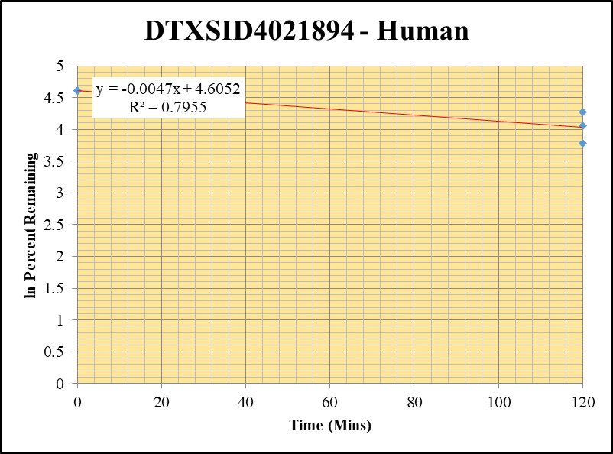
Blank_1_01 | DTXSID4021894 | 67 | 123738.61678 | 7091427.0945 | 0.017449043067 |  |  |  | DTXSID4021894 - Human | 4 |  |  |  | Time (Mins) | % Remaining Replica 1 | % Remaining Replica 2 | % Remaining Replica 3 | Average
Blank_2_02 | DTXSID4021894 | 67 | 143110.43736 | 6842340.8362 | 0.020915420729 |  |  |  | Time (Mins) | 65 |  |  |  | 120 | 57.8% | 72.0% | 43.8% | 57.9%
 |  |  |  |  |  |  |  |  | ln Percent Remaining | 70 |  |  |  | 0 | 100% | 100% | 100% | 100%
DTXSID4021894_10uM_HI__120_1_253 | DTXSID4021894 | 67 | 1342662.0677 | 4981182.3068 | 0.26954686358 | 57.764498895 | 120 | 4.056374381 |  |  | 1 | 120 | 4.056374381
DTXSID4021894_10uM_HI__120_2_254 | DTXSID4021894 | 67 | 1409001.5797 | 4477605.6311 | 0.31467746286 | 72.038309624 | 120 | 4.2771980556 |  |  | 2 | 120 | 4.2771980556
DTXSID4021894_10uM_HI__120_3_255 | DTXSID4021894 | 67 | 1419257.5854 | 6532002.7682 | 0.21727755419 | 43.82170795 | 120 | 3.7801293099 |  |  | 3 | 120 | 3.7801293099
DTXSID4021894_10uM___0_1_250 | DTXSID4021894 | 67 | 2160164.1822 | 4772733.426 | 0.45260524512 | 100 | 0 | 4.605170186 |  |  | 4 | 0 | 4.605170186
DTXSID4021894_10uM___0_2_251 | DTXSID4021894 | 67 | 2089938.652 | 4867408.2516 | 0.42937402083 | 100 | 0 | 4.605170186 |  |  | 5 | 0 | 4.605170186
DTXSID4021894_10uM___0_3_252 | DTXSID4021894 | 67 | 2291637.9552 | 4863092.2559 | 0.47123061514 | 100 | 0 | 4.605170186 |  |  | 6 | 0 | 4.605170186

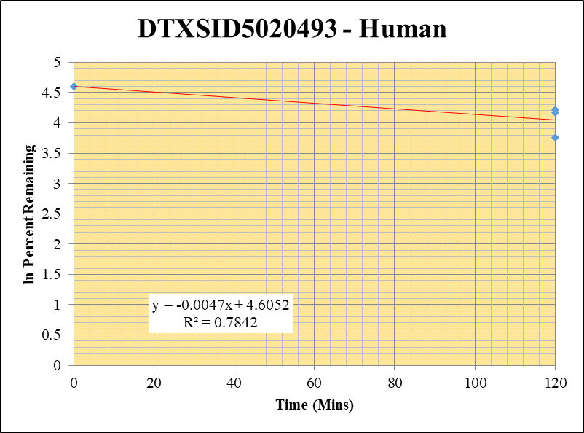
Blank_2_02 | DTXSID5020493 | 79 | 153124.96618 | 6842340.8362 | 0.022379032241 |  |  |  | DTXSID5020493 - Human | 5 |  |  |  | Time (Mins) | % Remaining Replica 1 | % Remaining Replica 2 | % Remaining Replica 3 | Average
Blank_3_03 | DTXSID5020493 | 79 | 159202.33317 | 6805910.1666 | 0.023391777039 |  |  |  | Time (Mins) | 85 |  |  |  | 120 | 64.3% | 68.1% | 42.7% | 58.4%
 |  |  |  |  |  |  |  |  | ln Percent Remaining | 90 |  |  |  | 0 | 100% | 100% | 100% | 100%
DTXSID5020493_10uM_HI__120_1_145 | DTXSID5020493 | 79 | 627463.11908 | 6016677.2042 | 0.10428731637 | 64.266325339 | 120 | 4.1630357824 |  |  | 1 | 120 | 4.1630357824
DTXSID5020493_10uM_HI__120_2_146 | DTXSID5020493 | 79 | 1171861.9978 | 10444122.226 | 0.11220301452 | 68.068214399 | 120 | 4.2205103553 |  |  | 2 | 120 | 4.2205103553
DTXSID5020493_10uM_HI__120_3_147 | DTXSID5020493 | 79 | 781498.81445 | 10731961.227 | 0.07281975754 | 42.721054441 | 120 | 3.754691877 |  |  | 3 | 120 | 3.754691877
DTXSID5020493_10uM___0_1_142 | DTXSID5020493 | 79 | 669802.77719 | 4478824.0587 | 0.14954880308 | 100 | 0 | 4.605170186 |  |  | 4 | 0 | 4.605170186
DTXSID5020493_10uM___0_2_143 | DTXSID5020493 | 79 | 1360046.8898 | 8825559.073 | 0.15410319942 | 100 | 0 | 4.605170186 |  |  | 5 | 0 | 4.605170186
DTXSID5020493_10uM___0_3_144 | DTXSID5020493 | 79 | 1203744.2469 | 8612318.9368 | 0.13977004982 | 100 | 0 | 4.605170186 |  |  | 6 | 0 | 4.605170186

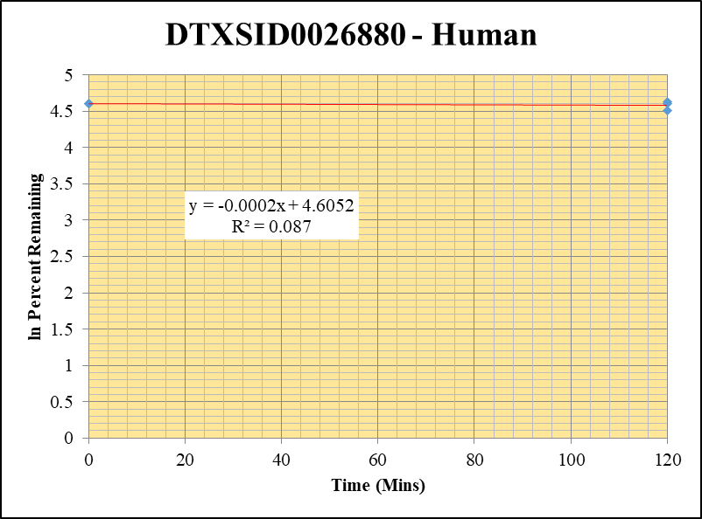
Blank_1_01 | DTXSID0026880 | 43 | 66886736.018 | 7091427.0945 | 0 |  |  |  | DTXSID0026880 - Human | 6 |  |  |  | Time (Mins) | % Remaining Replica 1 | % Remaining Replica 2 | % Remaining Replica 3 | Average
Blank_2_02 | DTXSID0026880 | 43 | 83241608.824 | 6842340.8362 | 0 | Blank not used |  |  | Time (Mins) | 105 |  |  |  | 120 | 102.8% | 90.2% | 100.2% | 97.7%
 |  |  |  |  |  |  |  |  | ln Percent Remaining | 110 |  |  |  | 0 | 100% | 100% | 100% | 100%
DTXSID0026880_10uM_HI__120_1_505 | DTXSID0026880 | 43 | 30670107.784 | 4374463.8407 | 7.0111695743 | 102.78054497 | 120 | 4.6325960839 |  |  | 1 | 120 | 4.6325960839
DTXSID0026880_10uM_HI__120_2_506 | DTXSID0026880 | 43 | 27164833.291 | 3798998.5992 | 7.1505246927 | 90.24916307 | 120 | 4.5025743237 |  |  | 2 | 120 | 4.5025743237
DTXSID0026880_10uM_HI__120_3_507 | DTXSID0026880 | 43 | 33646660.767 | 4229665.8156 | 7.9549217915 | 100.15609277 | 120 | 4.6067298967 |  |  | 3 | 120 | 4.6067298967
DTXSID0026880_10uM___0_1_502 | DTXSID0026880 | 43 | 31417545.81 | 4605668.7774 | 6.8214948422 | 100 | 0 | 4.605170186 |  |  | 4 | 0 | 4.605170186
DTXSID0026880_10uM___0_2_503 | DTXSID0026880 | 43 | 32994115.229 | 4164297.6057 | 7.9230925245 | 100 | 0 | 4.605170186 |  |  | 5 | 0 | 4.605170186
DTXSID0026880_10uM___0_3_504 | DTXSID0026880 | 43 | 33428339.279 | 4208780.3472 | 7.9425240856 | 100 | 0 | 4.605170186 |  |  | 6 | 0 | 4.605170186

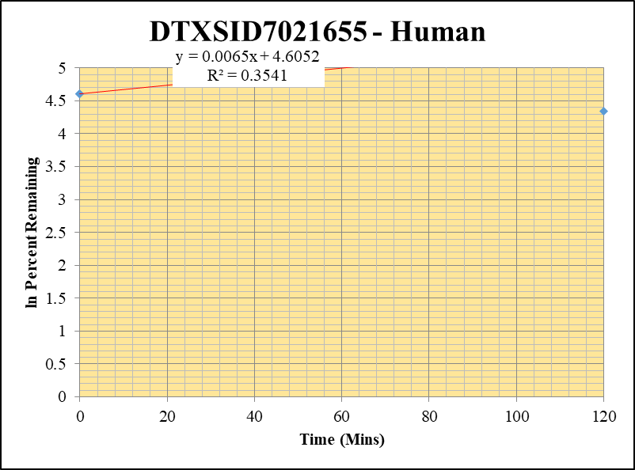
Blank_2_02 | DTXSID7021655 | 60 | 509059.59361 | 6842340.8362 | 0.074398455996 |  |  |  | DTXSID7021655 - Human | 8 |  |  |  | Time (Mins) | % Remaining Replica 1 | % Remaining Replica 2 | % Remaining Replica 3 | Average
Blank_3_03 | DTXSID7021655 | 60 | 541159.37971 | 6805910.1666 | 0.07951315349 |  |  |  | Time (Mins) | 145 |  |  |  | 120 | 422.0% | 317.1% | 77.1% | 272.1%
 |  |  |  |  |  |  |  |  | ln Percent Remaining | 150 |  |  |  | 0 | 100% | 100% | 100% | 100%
DTXSID7021655_10uM_HI__120_1_109 | DTXSID7021655 | 60 | 10111581.051 | 10239763.945 | 0.98748185075 | 422.0094733 | 120 | 6.0450277624 |  |  | 1 | 120 | 6.0450277624
DTXSID7021655_10uM_HI__120_2_110 | DTXSID7021655 | 60 | 9833269.1421 | 10031160.017 | 0.98027238381 | 317.13992142 | 120 | 5.759343069 |  |  | 2 | 120 | 5.759343069
DTXSID7021655_10uM_HI__120_3_111 | DTXSID7021655 | 60 | 10119587.714 | 10225618.948 | 0.98963082478 | 77.117559017 | 120 | 4.3453309981 |  |  | 3 | 120 | 4.3453309981
DTXSID7021655_10uM___0_1_106 | DTXSID7021655 | 60 | 1651650.1484 | 5642511.4476 | 0.29271542712 | 100 | 0 | 4.605170186 |  |  | 4 | 0 | 4.605170186
DTXSID7021655_10uM___0_2_107 | DTXSID7021655 | 60 | 2034124.4524 | 5622421.1136 | 0.36178799333 | 100 | 0 | 4.605170186 |  |  | 5 | 0 | 4.605170186
DTXSID7021655_10uM___0_3_108 | DTXSID7021655 | 60 | 12763690.832 | 10126367.815 | 1.2604411636 | 100 | 0 | 4.605170186 |  |  | 6 | 0 | 4.605170186

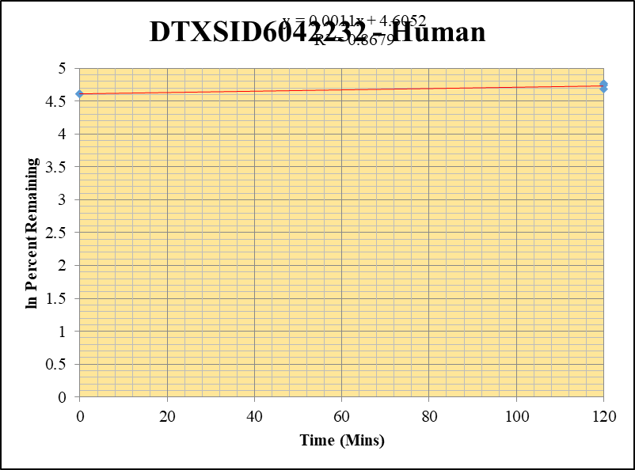
Blank_4_01 | DTXSID6042232 | 59 | 3835334.5459 | 15426178.618 | 0.24862505749 |  |  |  | DTXSID6042232 - Human | 9 |  |  |  | Time (Mins) | % Remaining Replica 1 | % Remaining Replica 2 | % Remaining Replica 3 | Average
Blank_5_02 | DTXSID6042232 | 59 | 4665929.319 | 17640900.345 | 0.26449496499 |  |  |  | Time (Mins) | 165 |  |  |  | 120 | 115.3% | 117.8% | 108.3% | 113.8%
 |  |  |  |  |  |  |  |  | ln Percent Remaining | 170 |  |  |  | 0 | 100% | 100% | 100% | 100%
DTXSID6042232_10uM_HI__120_1_541 | DTXSID6042232 | 59 | 47841573.963 | 3263379.9372 | 14.660129952 | 115.27316873 | 120 | 4.7473046919 |  |  | 1 | 120 | 4.7473046919
DTXSID6042232_10uM_HI__120_2_542 | DTXSID6042232 | 59 | 45070207.521 | 3108504.3819 | 14.4990008 | 117.83813434 | 120 | 4.7693119399 |  |  | 2 | 120 | 4.7693119399
DTXSID6042232_10uM_HI__120_3_543 | DTXSID6042232 | 59 | 34421932.096 | 2707843.4676 | 12.711935719 | 108.34913253 | 120 | 4.6853587218 |  |  | 3 | 120 | 4.6853587218
DTXSID6042232_10uM___0_1_538 | DTXSID6042232 | 59 | 50799960.383 | 3983772.3635 | 12.751722676 | 100 | 0 | 4.605170186 |  |  | 4 | 0 | 4.605170186
DTXSID6042232_10uM___0_2_539 | DTXSID6042232 | 59 | 47926809.835 | 3882912.748 | 12.343004581 | 100 | 0 | 4.605170186 |  |  | 5 | 0 | 4.605170186
DTXSID6042232_10uM___0_3_540 | DTXSID6042232 | 59 | 48298406.03 | 4109749.4578 | 11.752153392 | 100 | 0 | 4.605170186 |  |  | 6 | 0 | 4.605170186

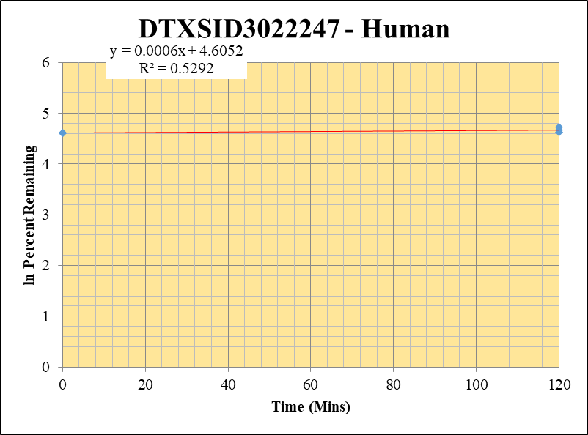
Blank_4_01 | DTXSID3022247 | 69 | NF | 15426178.618 | 0 |  |  |  | DTXSID3022247 - Human | 10 |  |  |  | Time (Mins) | % Remaining Replica 1 | % Remaining Replica 2 | % Remaining Replica 3 | Average
Blank_5_02 | DTXSID3022247 | 69 | NF | 17640900.345 | 0 |  |  |  | Time (Mins) | 185 |  |  |  | 120 | 106.2% | 113% | 101.7% | 107%
 |  |  |  |  |  |  |  |  | ln Percent Remaining | 190 |  |  |  | 0 | 100% | 100% | 100% | 100%
DTXSID3022247_10uM_HI__120_1_397 | DTXSID3022247 | 69 | 5861337.2815 | 6316721.9857 | 0.92790806604 | 106.19597516 | 120 | 4.6652862094 |  |  | 1 | 120 | 4.6652862094
DTXSID3022247_10uM_HI__120_2_398 | DTXSID3022247 | 69 | 4882353.1616 | 4430203.0287 | 1.1020608153 | 113.41865434 | 120 | 4.7310858781 |  |  | 2 | 120 | 4.7310858781
DTXSID3022247_10uM_HI__120_3_399 | DTXSID3022247 | 69 | 4648472.8393 | 5273165.4712 | 0.88153365653 | 101.65523246 | 120 | 4.621587014 |  |  | 3 | 120 | 4.621587014
DTXSID3022247_10uM___0_1_394 | DTXSID3022247 | 69 | 4103788.3363 | 4696648.517 | 0.87376952342 | 100 | 0 | 4.605170186 |  |  | 4 | 0 | 4.605170186
DTXSID3022247_10uM___0_2_395 | DTXSID3022247 | 69 | 4708604.464 | 4845863.0841 | 0.97167509322 | 100 | 0 | 4.605170186 |  |  | 5 | 0 | 4.605170186
DTXSID3022247_10uM___0_3_396 | DTXSID3022247 | 69 | 3299831.2382 | 3805244.5202 | 0.86717981479 | 100 | 0 | 4.605170186 |  |  | 6 | 0 | 4.605170186

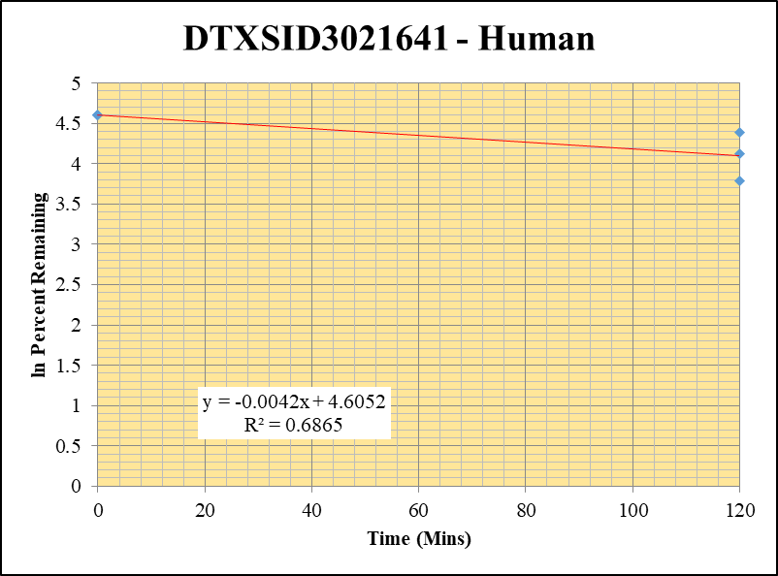
Blank_4_01 | DTXSID3021641 | 73 | NF | 15426178.618 | 0 |  |  |  | DTXSID3021641 - Human | 11 |  |  |  | Time (Mins) | % Remaining Replica 1 | % Remaining Replica 2 | % Remaining Replica 3 | Average
Blank_5_02 | DTXSID3021641 | 73 | NF | 17640900.345 | 0 |  |  |  | Time (Mins) | 205 |  |  |  | 120 | 80% | 61% | 44.1% | 61.8%
 |  |  |  |  |  |  |  |  | ln Percent Remaining | 210 |  |  |  | 0 | 100% | 100% | 100% | 100%
DTXSID3021641_10uM_HI__120_1_325 | DTXSID3021641 | 73 | 1516168.7094 | 7291311.7344 | 0.20794183058 | 79.99290537 | 120 | 4.3819379479 |  |  | 1 | 120 | 4.3819379479
DTXSID3021641_10uM_HI__120_2_326 | DTXSID3021641 | 73 | 1345180.3322 | 6568565.6111 | 0.20479057558 | 61.44441183 | 120 | 4.1181328934 |  |  | 2 | 120 | 4.1181328934
DTXSID3021641_10uM_HI__120_3_327 | DTXSID3021641 | 73 | 1105494.7004 | 7774062.2832 | 0.14220296418 | 44.111176153 | 120 | 3.7867131778 |  |  | 3 | 120 | 3.7867131778
DTXSID3021641_10uM___0_1_322 | DTXSID3021641 | 73 | 1367102.7744 | 5259092.0528 | 0.25995034137 | 100 | 0 | 4.605170186 |  |  | 4 | 0 | 4.605170186
DTXSID3021641_10uM___0_2_323 | DTXSID3021641 | 73 | 1784057.9036 | 5352804.3588 | 0.33329406121 | 100 | 0 | 4.605170186 |  |  | 5 | 0 | 4.605170186
DTXSID3021641_10uM___0_3_324 | DTXSID3021641 | 73 | 2158697.2895 | 6696251.1608 | 0.32237400265 | 100 | 0 | 4.605170186 |  |  | 6 | 0 | 4.605170186

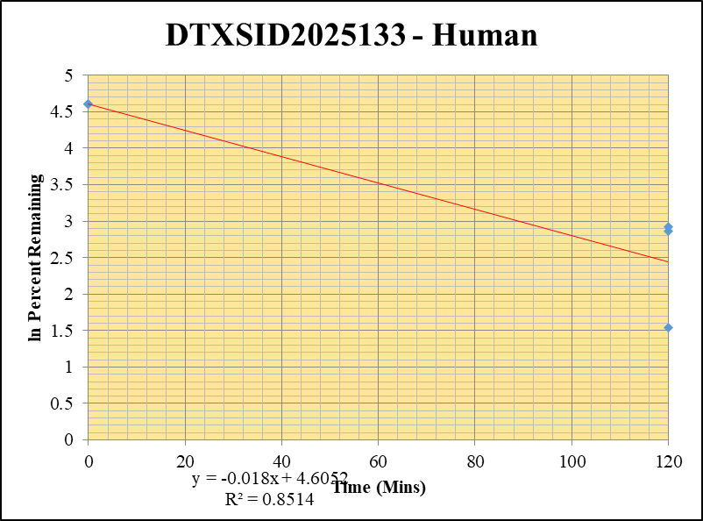
Blank_4_01 | DTXSID2025133 | 151 | 0 | 15426178.618 | 0 |  |  |  | DTXSID2025133 - Human | 12 |  |  |  | Time (Mins) | % Remaining Replica 1 | % Remaining Replica 2 | % Remaining Replica 3 | Average
Blank_5_02 | DTXSID2025133 | 151 | 0 | 17640900.345 | 0 |  |  |  | Time (Mins) | 225 |  |  |  | 120 | 4.6% | 17.5% | 18.6% | 13.6%
 |  |  |  |  |  |  |  |  | ln Percent Remaining | 230 |  |  |  | 0 | 100% | 100% | 100% | 100%
DTXSID2025133_10uM_HI__120_1_181 | DTXSID2025133 | 151 | 1077928.6723 | 35180438.794 | 0.030640000787 | 4.6457829117 | 120 | 1.5359599074 |  |  | 1 | 120 | 1.5359599074
DTXSID2025133_10uM_HI__120_2_182 | DTXSID2025133 | 151 | 1954958.0413 | 35640654.552 | 0.054851911837 | 17.4615881 | 120 | 2.8600035028 |  |  | 2 | 120 | 2.8600035028
DTXSID2025133_10uM_HI__120_3_183 | DTXSID2025133 | 151 | 1794018.2822 | 27657805.886 | 0.064864808497 | 18.606695806 | 120 | 2.9235215055 |  |  | 3 | 120 | 2.9235215055
DTXSID2025133_10uM___0_1_178 | DTXSID2025133 | 151 | 19922285.231 | 30207118.118 | 0.65952286986 | 100 | 0 | 4.605170186 |  |  | 4 | 0 | 4.605170186
DTXSID2025133_10uM___0_2_179 | DTXSID2025133 | 151 | 10271354.3 | 32697886.367 | 0.31412899859 | 100 | 0 | 4.605170186 |  |  | 5 | 0 | 4.605170186
DTXSID2025133_10uM___0_3_180 | DTXSID2025133 | 151 | 11076485.968 | 31773285.049 | 0.34861003358 | 100 | 0 | 4.605170186 |  |  | 6 | 0 | 4.605170186

1 uM
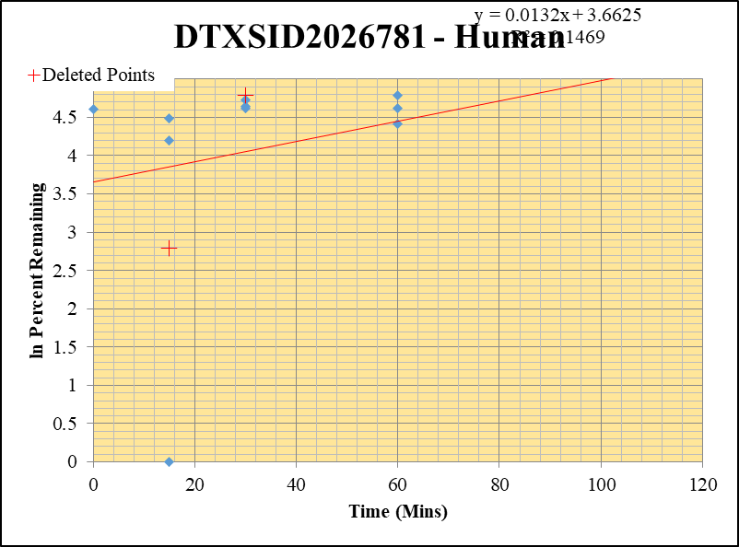
SampleName | CompoundName | Transition | Area | ISTD Area | ISTDResponseRatio | % Remaining | Time (mins) | ln % Remaining
Blank_5_02 | DTXSID2026781 | 69 | 501312.37821 | 17640900.345 | 0.028417618626 |  |  |  | DTXSID2026781 - Human | 3 |  |  |  | Time (Mins) | % Remaining Replica 1 | % Remaining Replica 2 | % Remaining Replica 3 | Average
Blank_6_03 | DTXSID2026781 | 69 | 236207.4777 | 35616182.111 | 0.0066320268961 |  |  |  | Time (Mins) | 43 |  |  |  | 120 | 224.54% | 161.0% | 163.7% | 162.4%
 |  |  |  |  |  |  |  |  | ln Percent Remaining | 57 |  |  |  | 60 | 101.9% | 82.6% | 120.2% | 101.6%
DTXSID2026781_1uM___120_1_73 | DTXSID2026781 | 69 | NF | 45443626.073 | 0.0001 | 224.53648848 | 120 | 5.414 |  |  |  | 120 | 5.0815273492 | 30 | 103.5% | 101.9% | 113.0% | 106.1%
DTXSID2026781_1uM___120_2_74 | DTXSID2026781 | 69 | 212162.04006 | 50729717.404 | 0.0041822042565 | 161.01980168 | 120 | 5.0815273492 |  |  | 2 | 120 | 5.0982696753 | 15 | -2674.5% | 88.8% | 66.9% | -839.6%
DTXSID2026781_1uM___120_3_75 | DTXSID2026781 | 69 | 193657.04837 | 48265236.129 | 0.0040123505841 | 163.73834154 | 120 | 5.0982696753 |  |  | 3 | 60 | 4.6243907674 | 0 | 100% | 100% | 100% | 100%
DTXSID2026781_1uM___60_1_76 | DTXSID2026781 | 69 | 405981.69788 | 42228751.981 | 0.0096138691965 | 101.94064859 | 60 | 4.6243907674 |  |  | 4 | 60 | 4.4144240934
DTXSID2026781_1uM___60_2_77 | DTXSID2026781 | 69 | 445028.43422 | 41679147.316 | 0.010677484135 | 82.634237595 | 60 | 4.4144240934 |  |  | 5 | 60 | 4.789482509 | Slope | 0.00434
DTXSID2026781_1uM___60_3_78 | DTXSID2026781 | 69 | 344948.51613 | 45375341.91 | 0.0076021138709 | 120.23912989 | 60 | 4.789482509 |  |  | 6 | 30 | 4.6399215786 | Intercept | 4.47
DTXSID2026781_1uM___30_1_79 | DTXSID2026781 | 69 | 390118.65741 | 41108191.85 | 0.0094900466269 | 103.5362278 | 30 | 4.6399215786 |  |  | 7 | 30 | 4.6243997966 | R2 | 0.544
DTXSID2026781_1uM___30_2_80 | DTXSID2026781 | 69 | 389352.2961 | 42891467.499 | 0.0090776165705 | 101.94156905 | 30 | 4.6243997966 |  |  | 8 | 30 | 4.7270589907 | T½ (mins)
DTXSID2026781_1uM___30_3_81 | DTXSID2026781 | 69 | 349890.54841 | 42656119.206 | 0.0082025874581 | 112.96284854 | 30 | 4.7270589907 |  |  | 9 | 15 |  | CLint (µl/min/106 cells) | 0.00
DTXSID2026781_1uM___15_1_82 | DTXSID2026781 | 69 | 554772.83678 | 2464792.7982 | 0.22507889393 | -2674.54441 | 15 | #NUM! |  |  | 10 | 15 | 4.4860660991 | Comments | Points Deleted: (120,7.4690) (30,4.7840) (15,2.7900)
DTXSID2026781_1uM___15_2_83 | DTXSID2026781 | 69 | 401283.72535 | 39461754.766 | 0.010168927553 | 88.771539641 | 15 | 4.4860660991 |  |  | 11 | 15 | 4.2034522764
DTXSID2026781_1uM___15_3_84 | DTXSID2026781 | 69 | 464991.2057 | 38741145.494 | 0.012002515666 | 66.916948536 | 15 | 4.2034522764 |  |  | 12 | 0 | 4.605170186
DTXSID2026781_1uM___0_1_85 | DTXSID2026781 | 69 | 412986.67083 | 42294835.803 | 0.009764470366 | 100 | 0 | 4.605170186 |  |  | 13 | 0 | 4.605170186
DTXSID2026781_1uM___0_2_86 | DTXSID2026781 | 69 | 385237.85169 | 41699172.012 | 0.0092385012245 | 100 | 0 | 4.605170186 |  |  | 14 | 0 | 4.605170186
DTXSID2026781_1uM___0_3_87 | DTXSID2026781 | 69 | 384191.41371 | 41434120.839 | 0.0092723438059 | 100 | 0 | 4.605170186 |  |  | 15

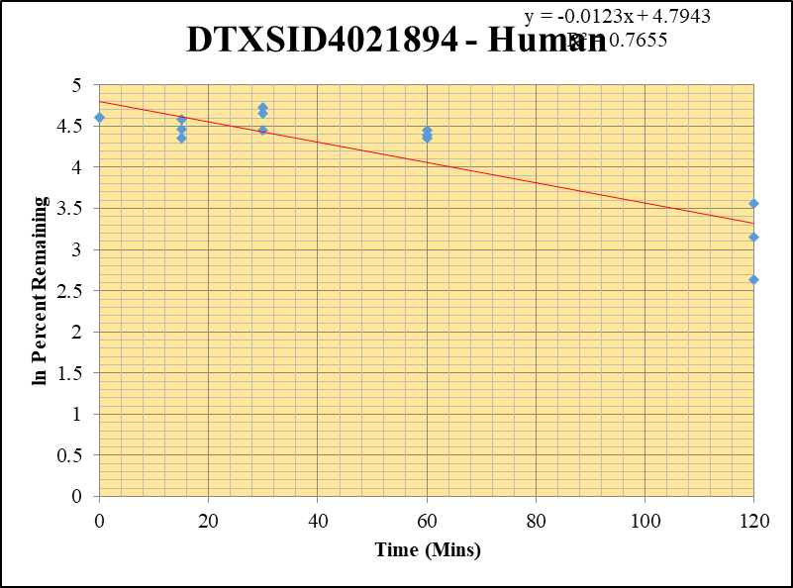
Blank_1_01 | DTXSID4021894 | 67 | 123738.61678 | 7091427.0945 | 0.017449043067 |  |  |  | DTXSID4021894 - Human | 6 |  |  |  | Time (Mins) | % Remaining Replica 1 | % Remaining Replica 2 | % Remaining Replica 3 | Average
Blank_2_02 | DTXSID4021894 | 67 | 143110.43736 | 6842340.8362 | 0.020915420729 |  |  |  | Time (Mins) | 100 |  |  |  | 120 | 35% | 23% | 14% | 24%
 |  |  |  |  |  |  |  |  | ln Percent Remaining | 114 |  |  |  | 60 | 85% | 81% | 78% | 82%
DTXSID4021894_1uM___120_1_109 | DTXSID4021894 | 67 | 16799890.191 | 48964189.219 | 0.34310565453 | 35.176923895 | 120 | 3.5603902965 |  |  | 1 | 120 | 3.5603902965 | 30 | 114% | 105% | 86% | 101%
DTXSID4021894_1uM___120_2_110 | DTXSID4021894 | 67 | 11295855.861 | 47972692.976 | 0.2354642852 | 23.495929734 | 120 | 3.1568272033 |  |  | 2 | 120 | 3.1568272033 | 15 | 98% | 78% | 87% | 88%
DTXSID4021894_1uM___120_3_111 | DTXSID4021894 | 67 | 7628921.8416 | 46069369.678 | 0.16559640158 | 13.950438 | 120 | 2.6355109057 |  |  | 3 | 120 | 2.6355109057 | 0 | 100% | 100% | 100% | 100%
DTXSID4021894_1uM___60_1_112 | DTXSID4021894 | 67 | 29070536.382 | 36053475.797 | 0.8063171647 | 85.480035378 | 60 | 4.4482828443 |  |  | 4 | 60 | 4.4482828443
DTXSID4021894_1uM___60_2_113 | DTXSID4021894 | 67 | 28074474.251 | 36729817.991 | 0.76435103103 | 80.951856508 | 60 | 4.3938546139 |  |  | 5 | 60 | 4.3938546139 | Slope | -0.0123
DTXSID4021894_1uM___60_3_114 | DTXSID4021894 | 67 | 31738692.26 | 37817826.306 | 0.83925215593 | 78.136799576 | 60 | 4.3584611312 |  |  | 6 | 60 | 4.3584611312 | Intercept | 4.79
DTXSID4021894_1uM___30_1_115 | DTXSID4021894 | 67 | 40960861.317 | 38466731.168 | 1.06483863 | 113.55454088 | 30 | 4.7322832579 |  |  | 7 | 30 | 4.7322832579 | R2 | 0.765
DTXSID4021894_1uM___30_2_116 | DTXSID4021894 | 67 | 37725641.461 | 38275534.841 | 0.98563329337 | 104.99098693 | 30 | 4.6538745077 |  |  | 8 | 30 | 4.6538745077 | T½ (mins) | 56.367963259
DTXSID4021894_1uM___30_3_117 | DTXSID4021894 | 67 | 33931597.208 | 36892149.754 | 0.91975115124 | 85.806796583 | 30 | 4.4520982176 |  |  | 9 | 30 | 4.4520982176 | CLint (µl/min/106 cells) | 24.6
DTXSID4021894_1uM___15_1_118 | DTXSID4021894 | 67 | 35406349.537 | 38357745.673 | 0.92305605859 | 98.157461272 | 15 | 4.5865729369 |  |  | 10 | 15 | 4.5865729369 | Comments
DTXSID4021894_1uM___15_2_119 | DTXSID4021894 | 67 | 26555494.744 | 36122065.365 | 0.73515992165 | 77.780662948 | 15 | 4.3538928521 |  |  | 11 | 15 | 4.3538928521
DTXSID4021894_1uM___15_3_120 | DTXSID4021894 | 67 | 37431836.353 | 40131512.175 | 0.93272927741 | 87.043360947 | 15 | 4.4664063962 |  |  | 12 | 15 | 4.4664063962
DTXSID4021894_1uM___0_1_121 | DTXSID4021894 | 67 | 38726839.142 | 41197761.196 | 0.9400229046 | 100 | 0 | 4.605170186 |  |  | 13 | 0 | 4.605170186
DTXSID4021894_1uM___0_2_122 | DTXSID4021894 | 67 | 35379268.081 | 37649902.465 | 0.93969082956 | 100 | 0 | 4.605170186 |  |  | 14 | 0 | 4.605170186
DTXSID4021894_1uM___0_3_123 | DTXSID4021894 | 67 | 42278420.517 | 39560117.492 | 1.0687132192 | 100 | 0 | 4.605170186 |  |  | 15 | 0 | 4.605170186

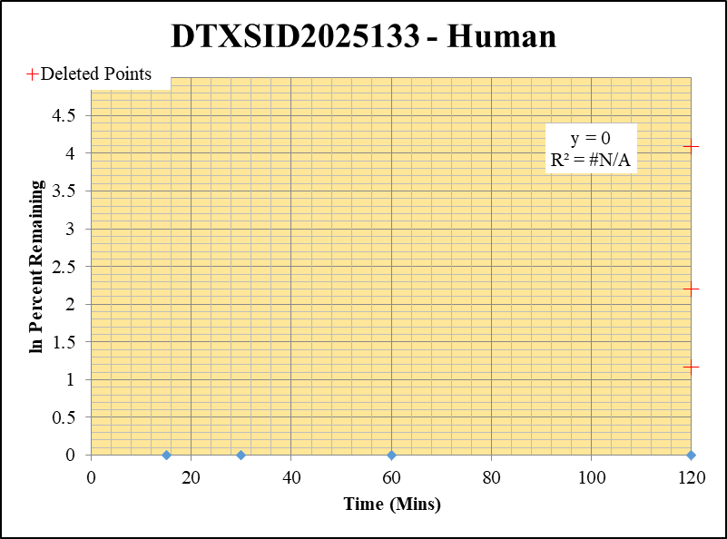
Blank_4_01 | DTXSID2025133 | 151 | 0 | 15426178.618 | 0 |  |  |  | DTXSID2025133 - Human | 3 |  |  |  | Time (Mins) | % Remaining Replica 1 | % Remaining Replica 2 | % Remaining Replica 3 | Average
Blank_5_02 | DTXSID2025133 | 151 | 0 | 17640900.345 | 0 |  |  |  | Time (Mins) | 43 |  |  |  | 120 | 0.0% | 0.0% | 0.0% | 0.0%
 |  |  |  |  |  |  |  |  | ln Percent Remaining | 57 |  |  |  | 60 | 0.0% | 0.0% | 0.0% | 0.0%
DTXSID2025133_1uM___120_1_163 | DTXSID2025133 | 151 | NF | 45350355.359 | 0 | 0 | 120 | #NUM! |  |  | 1 | 120 |  | 30 | 0.0% | 0.0% | 0.0% | 0.0%
DTXSID2025133_1uM___120_2_164 | DTXSID2025133 | 151 | NF | 43487700.613 | 0 | 0 | 120 | #NUM! |  |  | 2 | 120 |  | 15 | 0.0% | 0.0% | 0.0% | 0.0%
DTXSID2025133_1uM___120_3_165 | DTXSID2025133 | 151 | NF | 44307203.46 | 0 | 0 | 120 | #NUM! |  |  | 3 | 120 |  | 0 | 100% | 100% | 100% | 100%
DTXSID2025133_1uM___60_1_166 | DTXSID2025133 | 151 | NF | 38714375.14 | 0 | 0 | 60 | #NUM! |  |  | 4 | 60
DTXSID2025133_1uM___60_2_167 | DTXSID2025133 | 151 | NF | 39649362.632 | 0 | 0 | 60 | #NUM! |  |  | 5 | 60 |  | Slope
DTXSID2025133_1uM___60_3_168 | DTXSID2025133 | 151 | NF | 40690845.208 | 0 | 0 | 60 | #NUM! |  |  | 6 | 60 |  | Intercept
DTXSID2025133_1uM___30_1_169 | DTXSID2025133 | 151 | NF | 36810571.209 | 0 | 0 | 30 | #NUM! |  |  | 7 | 30 |  | R2
DTXSID2025133_1uM___30_2_170 | DTXSID2025133 | 151 | NF | 38570422.8 | 0 | 0 | 30 | #NUM! |  |  | 8 | 30 |  | T½ (mins)
DTXSID2025133_1uM___30_3_171 | DTXSID2025133 | 151 | NF | 9933011.0808 | 0 | 0 | 30 | #NUM! |  |  | 9 | 30 |  | CLint (µl/min/106 cells) | 0.00
DTXSID2025133_1uM___15_1_172 | DTXSID2025133 | 151 | NF | 43046823.601 | 0 | 0 | 15 | #NUM! |  |  | 10 | 15 |  | Comments | Points Deleted: (120,1.1690) (120,4.0860) (120,2.1960)
DTXSID2025133_1uM___15_2_173 | DTXSID2025133 | 151 | NF | 41414831.221 | 0 | 0 | 15 | #NUM! |  |  | 11 | 15
DTXSID2025133_1uM___15_3_174 | DTXSID2025133 | 151 | NF | 40779112.424 | 0 | 0 | 15 | #NUM! |  |  | 12 | 15
DTXSID2025133_1uM___0_1_175 | DTXSID2025133 | 151 | 19922285.231 | 40763623.64 | 0.65952286986 | 100 | 0 | 4.605170186 |  |  | 13 | 0 | 4.605170186
DTXSID2025133_1uM___0_2_176 | DTXSID2025133 | 151 | 10271354.3 | 38257756.537 | 0.31412899859 | 100 | 0 | 4.605170186 |  |  | 14 | 0 | 4.605170186
DTXSID2025133_1uM___0_3_177 | DTXSID2025133 | 151 | 11076485.968 | 41012435.235 | 0.34861003358 | 100 | 0 | 4.605170186 |  |  | 15 | 0 | 4.605170186

Blank_Human___1_____5P1_Inj 2020Dec18_EPA_3 | Midazolam | 326.2 / 291.0 | 20.02 | 537700 | 0.00003724 |  |  |  | Midazolam - 1uM | 1 |  |  |  | Time (Mins) | % Remaining Replica 1 | % Remaining Replica 2 | % Remaining Replica 3 | Average
Blank_Human___2_____5P1_Inj 2020Dec18_EPA_4 | Midazolam | 326.2 / 291.0 | 24.9 | 823100 | 0.00003025 |  |  |  | Time (Mins) | 4 |  |  |  | 120 | 2.69% | 2.65% | 1.55% | 2.30%
Midazolam_1uM_Human__120_1_____5P1_Inj 2020Dec18_EPA_7 | Midazolam | 326.2 / 291.0 | 9467 | 408900 | 0.02315 | 2.6880421023 | 120 | 0.9888130856 | ln Percent Remaining | 18 | 1 | 120 | 0.9888130856 | 60 | 10.7% | 10.5% | 8.11% | 9.76%
Midazolam_1uM_Human__120_2_____5P1_Inj 2020Dec18_EPA_8 | Midazolam | 326.2 / 291.0 | 10450 | 426400 | 0.02452 | 2.648977596 | 120 | 0.97417375273 |  |  | 2 | 120 | 0.97417375273 | 30 | 29.8% | 27.6% | 27.2% | 28.2%
Midazolam_1uM_Human__120_3_____5P1_Inj 2020Dec18_EPA_9 | Midazolam | 326.2 / 291.0 | 5484 | 420400 | 0.01305 | 1.5492475355 | 120 | 0.43776935211 |  |  | 3 | 120 | 0.43776935211 | 15 | 64.5% | 61.9% | 62.7% | 63.0%
Midazolam_1uM_Human__60_1_____5P2_Inj 2020Dec18_EPA_10 | Midazolam | 326.2 / 291.0 | 42520 | 461300 | 0.09217 | 10.713938421 | 60 | 2.3715455499 |  |  | 4 | 60 | 2.3715455499 | 0 | 100% | 100% | 100% | 100%
Midazolam_1uM_Human__60_2_____5P2_Inj 2020Dec18_EPA_11 | Midazolam | 326.2 / 291.0 | 47560 | 492000 | 0.09666 | 10.453243449 | 60 | 2.3469123082 |  |  | 5 | 60 | 2.3469123082
Midazolam_1uM_Human__60_3_____5P2_Inj 2020Dec18_EPA_12 | Midazolam | 326.2 / 291.0 | 33650 | 493700 | 0.06816 | 8.1086635645 | 60 | 2.0929330659 |  |  | 6 | 60 | 2.0929330659 | Slope | -0.0319
Midazolam_1uM_Human__30_1_____5P3_Inj 2020Dec18_EPA_13 | Midazolam | 326.2 / 291.0 | 128700 | 502700 | 0.2561 | 29.776314304 | 30 | 3.3937132555 |  |  | 7 | 30 | 3.3937132555 | Intercept | 4.47
Midazolam_1uM_Human__30_2_____5P3_Inj 2020Dec18_EPA_14 | Midazolam | 326.2 / 291.0 | 138300 | 542500 | 0.255 | 27.582817268 | 30 | 3.3171930161 |  |  | 8 | 30 | 3.3171930161 | R2 | 0.972
Midazolam_1uM_Human__30_3_____5P3_Inj 2020Dec18_EPA_15 | Midazolam | 326.2 / 291.0 | 138500 | 605900 | 0.2285 | 27.192981584 | 30 | 3.30295891 |  |  | 9 | 30 | 3.30295891 | T½ (mins) | 21.7
Midazolam_1uM_Human__15_1_____5P4_Inj 2020Dec18_EPA_16 | Midazolam | 326.2 / 291.0 | 354800 | 639900 | 0.5544 | 64.463721893 | 15 | 4.1661026143 |  |  | 10 | 15 | 4.1661026143 | CLint (µl/min/106 cells) | 63.9
Midazolam_1uM_Human__15_2_____5P4_Inj 2020Dec18_EPA_17 | Midazolam | 326.2 / 291.0 | 341600 | 596600 | 0.5726 | 61.941492553 | 15 | 4.126190271 |  |  | 11 | 15 | 4.126190271 | Comments | Control
Midazolam_1uM_Human__15_3_____5P4_Inj 2020Dec18_EPA_18 | Midazolam | 326.2 / 291.0 | 343700 | 652700 | 0.5266 | 62.674054316 | 15 | 4.1379475552 |  |  | 12 | 15 | 4.1379475552
Midazolam_1uM_Human__0_1_____5P5_Inj 2020Dec18_EPA_19 | Midazolam | 326.2 / 291.0 | 481000 | 559300 | 0.86 | 100 | 0 | 4.605170186 |  |  | 13 | 0 | 4.605170186
Midazolam_1uM_Human__0_2_____5P5_Inj 2020Dec18_EPA_20 | Midazolam | 326.2 / 291.0 | 523100 | 565800 | 0.9244 | 100 | 0 | 4.605170186 |  |  | 14 | 0 | 4.605170186
Midazolam_1uM_Human__0_3_____5P5_Inj 2020Dec18_EPA_21 | Midazolam | 326.2 / 291.0 | 493200 | 587100 | 0.8402 | 100 | 0 | 4.605170186 |  |  | 15 | 0 | 4.605170186

1 uM HI
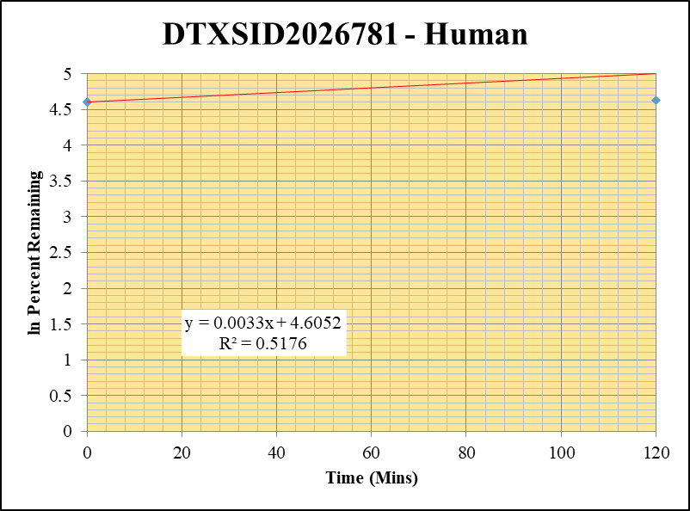
SampleName | CompoundName | Transition | Area | ISTD Area | ISTDResponseRatio | % Remaining | Time (mins) | ln % Remaining
Blank_5_02 | DTXSID2026781 | 69 | 501312.37821 | 17640900.345 | 0.028417618626 |  |  |  | DTXSID2026781 - Human | 3 |  |  |  | Time (Mins) | % Remaining Replica 1 | % Remaining Replica 2 | % Remaining Replica 3 | Average
Blank_6_03 | DTXSID2026781 | 69 | 236207.4777 | 35616182.111 | 0.0066320268961 |  |  |  | Time (Mins) | 45 |  |  |  | 120 | 190.7% | 168.9% | 102.0% | 153.9%
 |  |  |  |  |  |  |  |  | ln Percent Remaining | 50 |  |  |  | 0 | 100% | 100% | 100% | 100%
DTXSID2026781_1uM_HI__120_1_88 | DTXSID2026781 | 69 | 114127.38686 | 41817722.709 | 0.0027291631267 | 190.65705887 | 120 | 5.2504763109 |  |  | 1 | 120 | 5.2504763109
DTXSID2026781_1uM_HI__120_2_89 | DTXSID2026781 | 69 | 150361.57373 | 42616640.296 | 0.0035282362168 | 168.91194099 | 120 | 5.1293775199 |  |  | 2 | 120 | 5.1293775199
DTXSID2026781_1uM_HI__120_3_90 | DTXSID2026781 | 69 | 369766.85027 | 40614185.864 | 0.009104376769 | 102.0353525 | 120 | 4.6253193464 |  |  | 3 | 120 | 4.6253193464
DTXSID2026781_1uM___0_1_85 | DTXSID2026781 | 69 | 412986.67083 | 42294835.803 | 0.009764470366 | 100 | 0 | 4.605170186 |  |  | 4 | 0 | 4.605170186
DTXSID2026781_1uM___0_2_86 | DTXSID2026781 | 69 | 385237.85169 | 41699172.012 | 0.0092385012245 | 100 | 0 | 4.605170186 |  |  | 5 | 0 | 4.605170186
DTXSID2026781_1uM___0_3_87 | DTXSID2026781 | 69 | 384191.41371 | 41434120.839 | 0.0092723438059 | 100 | 0 | 4.605170186 |  |  | 6 | 0 | 4.605170186

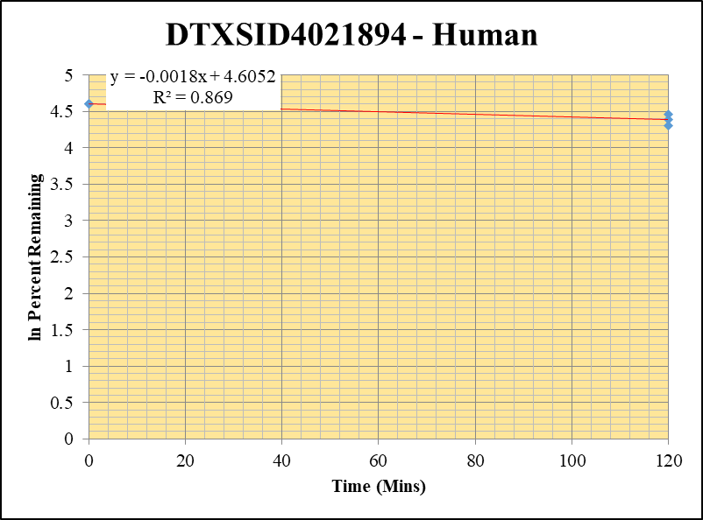
Blank_1_01 | DTXSID4021894 | 67 | 123738.61678 | 7091427.0945 | 0.017449043067 |  |  |  | DTXSID4021894 - Human | 4 |  |  |  | Time (Mins) | % Remaining Replica 1 | % Remaining Replica 2 | % Remaining Replica 3 | Average
Blank_2_02 | DTXSID4021894 | 67 | 143110.43736 | 6842340.8362 | 0.020915420729 |  |  |  | Time (Mins) | 65 |  |  |  | 120 | 80.2% | 86.3% | 74.4% | 80.3%
 |  |  |  |  |  |  |  |  | ln Percent Remaining | 70 |  |  |  | 0 | 100% | 100% | 100% | 100%
DTXSID4021894_1uM_HI__120_1_124 | DTXSID4021894 | 67 | 31992794.615 | 42237072.481 | 0.75745767251 | 80.174069467 | 120 | 4.3842001392 |  |  | 1 | 120 | 4.3842001392
DTXSID4021894_1uM_HI__120_2_125 | DTXSID4021894 | 67 | 32716764.785 | 40210431.348 | 0.81363874218 | 86.306256378 | 120 | 4.4579020911 |  |  | 2 | 120 | 4.4579020911
DTXSID4021894_1uM_HI__120_3_126 | DTXSID4021894 | 67 | 31619929.784 | 39542389.051 | 0.7996464185 | 74.36313897 | 120 | 4.3089603751 |  |  | 3 | 120 | 4.3089603751
DTXSID4021894_1uM___0_1_121 | DTXSID4021894 | 67 | 38726839.142 | 41197761.196 | 0.9400229046 | 100 | 0 | 4.605170186 |  |  | 4 | 0 | 4.605170186
DTXSID4021894_1uM___0_2_122 | DTXSID4021894 | 67 | 35379268.081 | 37649902.465 | 0.93969082956 | 100 | 0 | 4.605170186 |  |  | 5 | 0 | 4.605170186
DTXSID4021894_1uM___0_3_123 | DTXSID4021894 | 67 | 42278420.517 | 39560117.492 | 1.0687132192 | 100 | 0 | 4.605170186 |  |  | 6 | 0 | 4.605170186

#REF!
 | 1
Blank_4_01 | DTXSID2025133 | 151 | 0 | 15426178.618 | 0 |  |  |  | DTXSID2025133 - Human | 12 |  |  |  | Time (Mins) | % Remaining Replica 1 | % Remaining Replica 2 | % Remaining Replica 3 | Average
Blank_5_02 | DTXSID2025133 | 151 | 0 | 17640900.345 | 0 |  |  |  | Time (Mins) | 225 |  |  |  | 120 | 0.0% | 0.0% | 0.0% | 0.0%
 |  |  |  |  |  |  |  |  | ln Percent Remaining | 230 |  |  |  | 0 | 100% | 100% | 100% | 100%
DTXSID2025133_1uM_HI__120_1_178 | DTXSID2025133 | 151 | 0 | 42092509.747 | 0 | 0 | 120 | #NUM! |  |  | 1 | 120
DTXSID2025133_1uM_HI__120_2_179 | DTXSID2025133 | 151 | 0 | 41656790.319 | 0 | 0 | 120 | #NUM! |  |  | 2 | 120
DTXSID2025133_1uM_HI__120_3_180 | DTXSID2025133 | 151 | 0 | 41841466.015 | 0 | 0 | 120 | #NUM! |  |  | 3 | 120
DTXSID2025133_1uM___0_1_175 | DTXSID2025133 | 151 | 19922285.231 | 40763623.64 | 0.65952286986 | 100 | 0 | 4.605170186 |  |  | 4 | 0 | 4.605170186
DTXSID2025133_1uM___0_2_176 | DTXSID2025133 | 151 | 10271354.3 | 38257756.537 | 0.31412899859 | 100 | 0 | 4.605170186 |  |  | 5 | 0 | 4.605170186
DTXSID2025133_1uM___0_3_177 | DTXSID2025133 | 151 | 11076485.968 | 41012435.235 | 0.34861003358 | 100 | 0 | 4.605170186 |  |  | 6 | 0 | 4.605170186

